Validación de la propuesta
VALIDACIÓN
Categorias | A | B | C | D | P - H
A | 0.9 | 0.8 | 0.95 | 0.6 | 0.8125
B | 0.8 | 0.9 | 0.85 | 0.5 | 0.7625
C | 0.9 | 0.95 | 0.95 | 0.8 | 0.9
D | 0.9 | 0.9 | 0.9 | 0.75 | 0.8625
P-V | 0.875 | 0.8875 | 0.9125 | 0.6625

Patentes
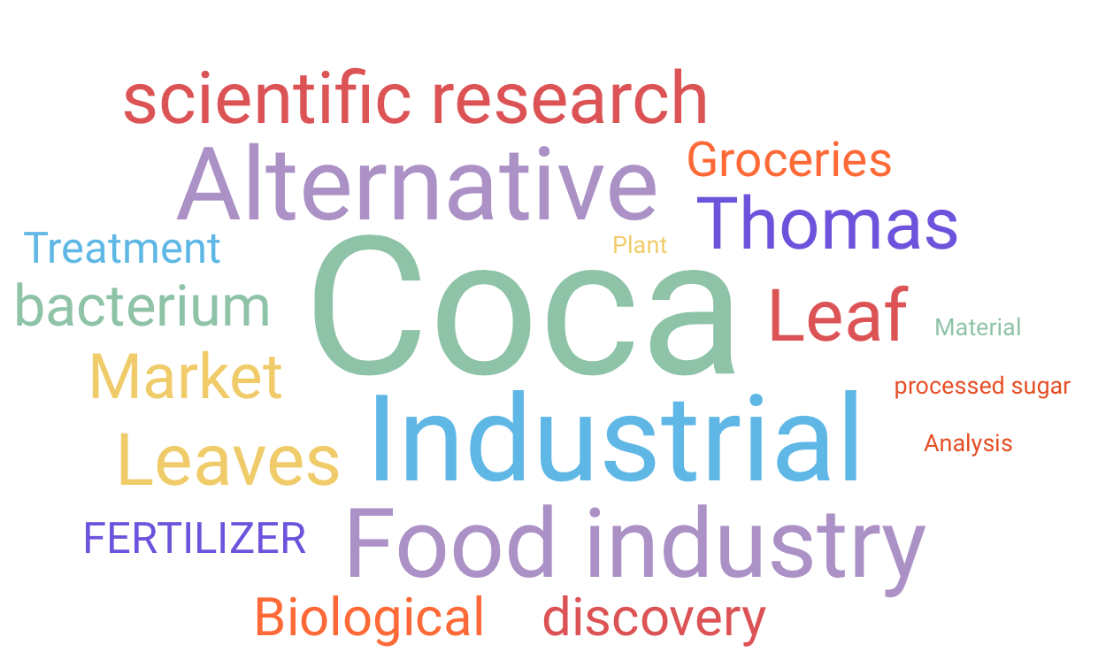
Search results
Results for query "coca AND leaf"
Showing 1 to 50 of 1427 records
Result # | Document/Patent number |  | Title | Inventor name | Publication date | Pages
1 | US-11584769-B2 | Preview PDF | Diterpene glycosides, compositions and purification methods | Prakash; Indra et al. | 2023-02-21 | 134
2 | US-11587432-B2 | Preview PDF | Methods and systems for content processing | Rhoads; Geoffrey B. | 2023-02-21 | 141
3 | US-20230052393-A1 | Preview PDF | SWEETENER AND FLAVOR COMPOSITIONS, METHODS OF MAKING AND METHODS OF USE THEREOF | SHI; Jingang et al. | 2023-02-16 | 631
4 | US-11578337-B2 | Preview PDF | Drought and heat tolerance in plants | Christensen; Cory et al. | 2023-02-14 | 76
5 | US-20230043427-A1 | Preview PDF | Composition For Making a Tea Beverage or Herbal and Vegetable Broths | Ragot; Philippe et al. | 2023-02-09 | 43
6 | US-11572567-B2 | Preview PDF | Promoter, promoter control elements, and combinations, and uses thereof | Schneeberger; Richard et al. | 2023-02-07 | 76
7 | US-11572568-B2 | Preview PDF | Regulating alkaloids | Hashimoto; Takashi et al. | 2023-02-07 | 54
8 | US-11570993-B2 | Preview PDF | Endophytes, associated compositions, and methods of use | von Maltzahn; Geoffrey et al. | 2023-02-07 | 134
9 | US-20230037188-A1 | Preview PDF | TASTEFUL NATURAL SWEETENER AND FLAVOR | SHI; Jingang et al. | 2023-02-02 | 570
10 | US-20230033451-A1 | Preview PDF | CONSISTENCY OF CROP YIELD THROUGH BIOLOGICAL NITROGEN FIXATION | REISINGER; Mark et al. | 2023-02-02 | 225
11 | US-11565979-B2 | Preview PDF | Methods and compositions for improving plant traits | Temme; Karsten et al. | 2023-01-31 | 454
12 | US-20230029030-A1 | Preview PDF | NUCLEIC ACID ENCODING N-METHYLPUTRESCINE OXIDASE AND USES THEREOF | PAGE; Jonathan E. et al. | 2023-01-26 | 38
13 | US-20230023308-A1 | Preview PDF | COMPOSITIONS COMPRISING ANTIMICROBIAL AND/OR ANTIVIRAL COMPOUND(S) AND SCENTING AGENTS | Beliveau; John | 2023-01-26 | 15
14 | US-11559067-B2 | Preview PDF | Taste improvement using miracle fruit for juice from disease impacted fruit | Higiro; Juvenal et al. | 2023-01-24 | 8
15 | US-11560569-B2 | Preview PDF | Promoter, promoter control elements, and combinations, and uses thereof | Schneeberger; Richard et al. | 2023-01-24 | 84
16 | US-20230000123-A1 | Preview PDF | SWEETENER AND FLAVOR COMPOSITIONS CONTAINING TERPENE GLYCOSIDES | SHI; Jingang et al. | 2023-01-05 | 425
17 | US-11542536-B2 | Preview PDF | Preparing novel steviol glycosides by bioconversion | Prakash; Indra et al. | 2023-01-03 | 49
18 | US-11542521-B2 | Preview PDF | Nucleotide sequences and polypeptides encoded thereby useful for modifying plant characteristics in response to cold | Christensen; Cory et al. | 2023-01-03 | 45
19 | US-11540556-B2 | Preview PDF | Homogenized tobacco material with improved volatile transfer | Sciboz; Alain et al. | 2023-01-03 | 10
20 | US-11535815-B2 | Preview PDF | Glycerin ethoxylate as an active ingredient in removing make-up stain | Narayan; Karumanassery Chidambara Iyer et al. | 2022-12-27 | 10
21 | US-20220400870-A1 | Preview PDF | DUAL-SIDED GEL LAYER AND USE THEREOF IN BODY SUPPORT ARTICLE | Micklos; Josh | 2022-12-22 | 22
22 | US-20220403257-A1 | Preview PDF | FREE FATTY ACID SEPARATION AND RECOVERY USING RESIN | Singh; Vijay et al. | 2022-12-22 | 28 | Patentes nº * (%) | Fechas | Campo comercial
23 | US-11530417-B2 | Preview PDF | Drought and heat tolerance in plants | Christensen; Cory et al. | 2022-12-20 | 76 | 30% | 2017-2019 | Industria comestibles; industria cosmetología; agro industria
24 | US-20220396530-A1 | Preview PDF | TEMPORALLY AND SPATIALLY TARGETED DYNAMIC NITROGEN DELIVERY BY REMODELED MICROBES | TAMSIR; Alvin et al. | 2022-12-15 | 225 | 40% | 2019-2022 | Nuevos mercados, industria comestible; investigación biológica; investigación botánica; agro industria
25 | US-20220386644-A1 | Preview PDF | USES OF COCA LEAF OR VALERIAN ROOT TO REDUCE BITTERNESS IN PLANT-BASED FOODS SUCH AS THOSE CONTAINING UNSWEETENED COCOA | AHARONIAN; Gregory | 2022-12-08 | 24 | 20% | 2014-2016 | Mercados alternativos; industria alimentaria; ingeniería de alimentos; agro industria
26 | US-20220392214-A1 | Preview PDF | SCOUTING FUNCTIONALITY EMERGENCE | SCHIKORA; Marek Piotr et al. | 2022-12-08 | 19 | 10% | Omitido | Patentes el renovación
27 | US-20220387436-A1 | Preview PDF | BOVINE SUPPLEMENT FOR NEONATAL CALVES | Upah; Nathan C. et al. | 2022-12-08 | 6
28 | US-20220369592-A1 | Preview PDF | Container for an Aqueous Composition | Zetouna; Summer | 2022-11-24 | 17
29 | US-20220361520-A1 | Preview PDF | Composition for Making a Tea Beverage or Herbal and Vegetable Broths | Ragot; Philippe et al. | 2022-11-17 | 27
30 | US-20220364016-A1 | Preview PDF | PERFUME OIL MIXTURE | KNOOP; Daniela et al. | 2022-11-17 | 60
31 | US-20220364248-A1 | Preview PDF | ELECTROLYTIC OIL EXTRACTION SYSTEM AND PROCESS | PETERS; Michael J. et al. | 2022-11-17 | 15
Publication date
32 | US-11497249-B2 | Preview PDF | Drug delivery system with stackable substrates | McCullough; Timothy | 2022-11-15 | 44
33 | US-11491106-B2 | Preview PDF | Oral sweetener compositions and methods | Chen; Youlung et al. | 2022-11-08 | 28
34 | US-11491091-B2 | Preview PDF | Cooling product | Küper; Thomas et al. | 2022-11-08 | 34
35 | US-11491184-B2 | Preview PDF | Liquids rich in noble gas and methods of their preparation and use | Huang; Shao-Ling et al. | 2022-11-08 | 38
36 | US-20220348948-A1 | Preview PDF | TRANSGENIC PLANTS HAVING INCREASED TOLERANCE TO ALUMINUM | Sosa; Julissa et al. | 2022-11-03 | 53
37 | US-20220351590-A1 | Preview PDF | System, Method, And Apparatus For Mixing, Blending, Dispensing, Monitoring, And Labeling Products | Kline; Michael J. | 2022-11-03 | 50
38 | US-11485982-B1 | Preview PDF | Isolated polynucleotides, polypeptides and methods of using same for increasing abiotic stress tolerance, biomass and yield of plants | Dangoor; Inbal Nurith et al. | 2022-11-01 | 257
39 | US-11484497-B2 | Preview PDF | Composition for making a tea beverage or herbal and vegetable broths | Ragot; Philippe et al. | 2022-11-01 | 44
40 | US-20220331344-A1 | Preview PDF | ORAL FORMULATIONS OF PSYCHOTROPIC MACROFUNGUS BOTANICAL EXTRACTS WITH MOUTHFEEL EXPERIENCE ENHANCERS | GREENBAUM; Eric et al. | 2022-10-20 | 30
41 | US-20220330396-A1 | Preview PDF | MICROWAVE HEATING UNIT AND METHOD | KÜHN; Silvio et al. | 2022-10-13 | 22
42 | US-20220323486-A1 | Preview PDF | COMPOSITION AND METHODS FOR GENERATING AND SUSTAINING MOLECULAR HYDROGEN (H2) IN AQUEOUS SYSTEMS | PITTZ; Eugene P. | 2022-10-13 | 42
43 | US-20220322708-A1 | Preview PDF | FOOD INGREDIENTS FROM STEVIA REBAUDIANA | MARKOSYAN; Avetik et al. | 2022-10-13 | 19
44 | US-20220312983-A1 | Preview PDF | BODY SUPPORT STRUCTURE COMPRISING TOPPER HAVING OPPOSED SURFACES WITH VARYING FIRMNESS | MICKLOS; JOSH | 2022-10-06 | 17
45 | US-11458084-B2 | Preview PDF | Hair cleansing composition | Park; Angela et al. | 2022-10-04 | 20
46 | US-11459581-B2 | Preview PDF | Nucleotide sequences and corresponding polypeptides conferring modulated growth rate and biomass in plants grown in saline and oxidative conditions | Zhou; Fasong et al. | 2022-10-04 | 53
47 | US-11453693-B2 | Preview PDF | Stevia-derived molecules, methods of obtaining such molecules, and uses of the same | Purkayastha; Siddhartha et al. | 2022-09-27 | 36
48 | US-11456059-B2 | Preview PDF | System, apparatus and method for hierarchical identification, multi-tier target library processing, and two-stage identification | Basener; William F. | 2022-09-27 | 16
49 | US-20220295833-A1 | Preview PDF | SWEETENER BLENDS WITH IMPROVED TASTE | Higiro; Juvenal et al. | 2022-09-22 | 19
50 | US-11447792-B2 | Preview PDF | Nucleotide sequences and corresponding polypeptides conferring modulated growth rate and biomass in plants grown in saline and oxidative conditions | Zhou; Fasong et al. | 2022-09-20 | 53
100 | US-20220132861-A1 | Preview PDF | AGRICULTURAL COMPOSITIONS COMPRISING REMODELED NITROGEN FIXING MICROBES | REISINGER; Mark et al. | 2022-05-05 | 173
Result # | Document/Patent number |  | Title | Inventor name | Publication date | Pages
51 | US-11447516-B2 | Preview PDF | Diterpene glycosides containing an ent-atisene core, compositions and methods | Prakash; Indra et al. | 2022-09-20 | 69
52 | US-11446319-B2 | Preview PDF | Composition containing flavonoid-cyclodextrin clathrate compound | Moriwaki; Masamitsu et al. | 2022-09-20 | 32
53 | US-20220290374-A1 | Preview PDF | Grass-Containing Liquid Packaging Board | D'AGNONE; Uwe | 2022-09-15 | 8
54 | US-20220287346-A1 | Preview PDF | STABLE CREATINE BEVERAGES | Karava; Nilesh et al. | 2022-09-15 | 14
55 | US-11439584-B2 | Preview PDF | Complete anhydrous sunscreen composition with under water technology | Efthimios; Anastasiou | 2022-09-13 | 11
56 | US-20220282274-A1 | Preview PDF | TRANSGENIC PLANTS HAVING ALTERED BIOMASS COMPOSITION | Park; Joon-Hyun et al. | 2022-09-08 | 111
57 | US-20220279819-A1 | Preview PDF | SWEETENER AND FLAVOR COMPOSITIONS, METHODS OF MAKING AND METHODS OF USE THEREOF | SHI; Jingang et al. | 2022-09-08 | 628
58 | US-20220282340-A1 | Preview PDF | HIGH-THROUGHPUT METHODS FOR ISOLATING AND CHARACTERIZING AMMONIUM-EXCRETING MUTANT LIBRARIES GENERATED BY CHEMICAL MUTAGENESIS | RYU; Min-Hyung et al. | 2022-09-08 | 113
59 | US-20220283172-A1 | Preview PDF | REDUCE DISCARD OF KIDNEYS FOR TRANSPLANATION AFTER BRAIN DEATH | Parikh; Chirag | 2022-09-08 | 43
60 | US-11425923-B1 | Preview PDF | Tasteful natural sweetener and flavor | Shi; Jingang et al. | 2022-08-30 | 541
61 | US-11419347-B2 | Preview PDF | Composition for making a tea beverage or herbal and vegetable broths | Ragot; Philippe et al. | 2022-08-23 | 36
62 | US-11419836-B2 | Preview PDF | Racemic and near racemic beta-hydroxybutyrate mixed salt-acid compositions | Millet; Gary | 2022-08-23 | 21
63 | US-20220261853-A1 | Preview PDF | PROVIDING TARGETED CONTENT BASED ON A USER'S PREFERENCES | Publicover; Mark W. et al. | 2022-08-18 | 107
64 | US-20220256921-A1 | Preview PDF | DRUG DELIVERY SYSTEM WITH STACKABLE SUBSTRATES | McCullough; Timothy | 2022-08-18 | 41
65 | US-20220245805-A1 | Preview PDF | MULTI WEED DETECTION | WILDT; Joerg et al. | 2022-08-04 | 15
66 | US-20220241523-A1 | Preview PDF | FLOW REGULATING INHALER DEVICE | DAVIDSON; Perry et al. | 2022-08-04 | 42
67 | US-20220232869-A1 | Preview PDF | Steviol Glycoside Sweeteners with Improved Flavor Profiles | Prakash; Indra et al. | 2022-07-28 | 36
68 | US-20220233621-A1 | Preview PDF | PHARMACEUTICAL COMPOSITIONS CONTAINING CANNABIS, USES THEREOF AND METHODS FOR IMPROVING ENERGY LEVELS AND/OR ALLEVIATING FATIGUE | Nijhawan; Pardeep | 2022-07-28 | 7
69 | US-11396659-B2 | Preview PDF | Nucleotide sequences and corresponding polypeptides conferring modified phenotype characteristics in plants | Nadzan; Gregory et al. | 2022-07-26 | 251
70 | US-11396656-B2 | Preview PDF | Nucleic acid encoding n-methylputrescine oxidase and uses thereof | Page; Jonathan E. et al. | 2022-07-26 | 39
71 | US-11395891-B2 | Preview PDF | Methods and delivery devices using herbal extracts | McCullough; Timothy | 2022-07-26 | 59
72 | US-20220226241-A1 | Preview PDF | STABLE ORGANIC CANNABINOID OIL BLEND FORMULATIONS | Drennan; Timothy | 2022-07-21 | 35
73 | US-20220223247-A1 | Preview PDF | SUBSTANCE DELIVERY PLANNING SYSTEM | DAVIDSON; Perry et al. | 2022-07-14 | 33
74 | US-20220211048-A1 | Preview PDF | GENE TARGETS FOR NITROGEN FIXATION TARGETING FOR IMPROVING PLANT TRAITS | Temme; Karsten et al. | 2022-07-07 | 87
75 | US-20220211958-A1 | Preview PDF | METHODS, DEVICES AND SYSTEMS FOR PULMONARY DELIVERY OF ACTIVE AGENTS | DAVIDSON; Perry et al. | 2022-07-07 | 77
76 | US-11377666-B2 | Preview PDF | Nucleotide sequences and corresponding polypeptides conferring improved nitrogen use efficiency characteristics in plants | Nadzan; Gregory et al. | 2022-07-05 | 257
77 | US-11376294-B2 | Preview PDF | Mangiferin-containing compositions for improving sports performance | Jimenez del Rio; Miguel et al. | 2022-07-05 | 26
78 | US-11369127-B2 | Preview PDF | Sweetener and flavor compositions, methods of making and methods of use thereof | Shi; Jingang et al. | 2022-06-28 | 607
79 | US-20220195451-A1 | Preview PDF | TRANSGENIC PLANTS HAVING INCREASED TOLERANCE TO ALUMINUM | Sosa; Julissa et al. | 2022-06-23 | 53
80 | US-11364268-B2 | Preview PDF | Inactivated Bacillus coagulans and uses thereof for increasing physical performance | Keller; David et al. | 2022-06-21 | 85
81 | US-20220183334-A1 | Preview PDF | Compositions and Methods for Improving Rebaudioside M Solubility | Prakash; Indra et al. | 2022-06-16 | 57
82 | US-20220183954-A1 | Preview PDF | ELECTROSTATICALLY SPRAYABLE COSMETIC FORMULATION | VERDICCHI; Charlotte et al. | 2022-06-16 | 17
83 | US-11357246-B2 | Preview PDF | High intensity sweeteners | Patron; Andrew et al. | 2022-06-14 | 259
84 | US-20220170063-A1 | Preview PDF | METHODS OF PRODUCING MOGROSIDES AND COMPOSITIONS COMPRISING SAME AND USES THEREOF | ITKIN; Maxim et al. | 2022-06-02 | 119
85 | US-20220170033-A1 | Preview PDF | PLANT EXPLANT TRANSFORMATION | ARLING; MAREN L et al. | 2022-06-02 | 53
86 | US-20220170026-A1 | Preview PDF | TROPANE ALKALOID (TA) PRODUCING NON-PLANT HOST CELLS, AND METHODS OF MAKING AND USING THE SAME | SMOLKE; Christina D. et al. | 2022-06-02 | 158
87 | US-20220159988-A1 | Preview PDF | TEA BEVERAGE HAVING IMPROVED QUALITY OF TASTE EXHIBITED BY SUGAR AND SWEETENER | ASAMI; Yoji et al. | 2022-05-26 | 23
88 | US-11339403-B2 | Preview PDF | Transgenic plants having increased tolerance to aluminum | Sosa; Julissa et al. | 2022-05-24 | 55
89 | US-20220151168-A1 | Preview PDF | BIOCERAMIC AND CARBON-BASED HYDROPONIC SYSTEMS, METHODS AND DEVICES | LETTON; Alan et al. | 2022-05-19 | 29
90 | US-20220151241-A1 | Preview PDF | AGRICULTURAL COMPOSITIONS COMPRISING REMODELED NITROGEN FIXING MICROBES | REISINGER; Mark et al. | 2022-05-19 | 172
91 | US-20220154193-A1 | Preview PDF | MODIFIED AGROBACTERIUM STRAINS AND USE THEREOF FOR PLANT TRANSFORMATION | ANNALURU; SAI VISWANATH NARAYANA et al. | 2022-05-19 | 46
92 | US-11330776-B2 | Preview PDF | Methods and compositions for rapid plant transformation | Anand; Ajith et al. | 2022-05-17 | 78
93 | US-11335170-B1 | Preview PDF | System, method, and apparatus for mixing, blending, dispensing, monitoring, and labeling products | Kline; Michael J. | 2022-05-17 | 51
94 | US-20220142173-A1 | Preview PDF | PLANT-ENDOPHYTE COMBINATIONS AND USES THEREFOR | Mitter; Birgit et al. | 2022-05-12 | 37
95 | US-20220143338-A1 | Preview PDF | SOURCE MATERIAL CARTRIDGE | DAVIDSON; Perry et al. | 2022-05-12 | 60
96 | US-20220142209-A1 | Preview PDF | METHODS AND COMPOSITIONS FOR IMPROVING THE TASTE OF DIET COLA SODAS AND OTHER BEVERAGES | AHARONIAN; Gregory | 2022-05-12 | 31
97 | US-20220142216-A1 | Preview PDF | Novel Mogrosides and Uses of the Same | Prakash; Indra et al. | 2022-05-12 | 65
98 | US-11324711-B2 | Preview PDF | Composition and uses for influencing hair growth | Schmidt; Alfred | 2022-05-10 | 11
99 | US-11324237-B2 | Preview PDF | Tasteful natural sweetener and flavor | Shi; Jingang et al. | 2022-05-10 | 530
100 | US-20220132861-A1 | Preview PDF | AGRICULTURAL COMPOSITIONS COMPRISING REMODELED NITROGEN FIXING MICROBES | REISINGER; Mark et al. | 2022-05-05 | 173
Result # | Document/Patent number |  | Title | Inventor name | Publication date | Pages
101 | US-20220132860-A1 | Preview PDF | PLANT GROWTH-PROMOTING MICROBES, COMPOSITIONS, AND USES THEREOF | Shoresh; Michal et al. | 2022-05-05 | 48
102 | US-11318160-B2 | Preview PDF | Composition and methods for generating and sustaining molecular hydrogen (H2) in aqueous systems | Pittz; Eugene P. | 2022-05-03 | 41
103 | US-20220124998-A1 | Preview PDF | METHODS AND COMPOSITIONS FOR RAPID PLANT TRANSFORMATION | ANAND; AJITH et al. | 2022-04-28 | 80
104 | US-20220127627-A1 | Preview PDF | GUIDED MICROBIAL REMODELING, A PLATFORM FOR THE RATIONAL IMPROVEMENT OF MICROBIAL SPECIES FOR AGRICULTURE | BLOCH; Sarah et al. | 2022-04-28 | 179
105 | US-20220125868-A1 | Preview PDF | HEMP COMPOSITIONS AND METHODS OF MAKING THE SAME | Landers; William | 2022-04-28 | 31
106 | US-11312984-B2 | Preview PDF | High-purity steviol glycosides | Prakash; Indra et al. | 2022-04-26 | 89
107 | US-11311587-B2 | Preview PDF | Pharmaceutical compositions containing cannabis, uses thereof and methods for improving energy levels and/or alleviating fatigue | Nijhawan; Pardeep | 2022-04-26 | 6
108 | US-20220117251-A1 | Preview PDF | C. BOT PREVENTION IN COFFEE | Benson; Janice et al. | 2022-04-21 | 25
109 | US-11304431-B2 | Preview PDF | Sweetener and flavor compositions, methods of making and methods of use thereof | Shi; Jingang et al. | 2022-04-19 | 609
110 | US-20220110455-A1 | Preview PDF | GEL LAMINATION TO VISCOELASTIC FOAM | Micklos; Josh et al. | 2022-04-14 | 21
111 | US-20220110456-A1 | Preview PDF | BODY SUPPORT STRUCTURES | Micklos; Josh et al. | 2022-04-14 | 21
112 | US-11299747-B2 | Preview PDF | Transgenic plants having altered biomass composition | Park; Joon-Huyn et al. | 2022-04-12 | 112
113 | US-11298330-B2 | Preview PDF | Magnesium compositions and methods of use | Liu; Guosong et al. | 2022-04-12 | 35
114 | US-11298477-B2 | Preview PDF | Methods, devices and systems for pulmonary delivery of active agents | Davidson; Perry et al. | 2022-04-12 | 81
115 | US-20220104521-A1 | Preview PDF | SWEETENER AND FLAVOR COMPOSITIONS, METHODS OF MAKING AND METHODS OF USE THEREOF | SHI; Jingang et al. | 2022-04-07 | 632
116 | US-20220106238-A1 | Preview PDF | POLYMER COMPOSITIONS WITH IMPROVED STABILITY FOR NITROGEN FIXING MICROBIAL PRODUCTS | REZAEI; Farzaneh et al. | 2022-04-07 | 156
117 | US-11291233-B2 | Preview PDF | Compositions and methods for improving rebaudioside M solubility | Prakash; Indra et al. | 2022-04-05 | 55
118 | US-11291781-B2 | Preview PDF | Flow regulating inhaler device | Davidson; Perry et al. | 2022-04-05 | 48
119 | US-20220096760-A1 | Preview PDF | APPARATUSES AND METHODS FOR CONTROLLING TEMPERATURE IN AN INHALER DEVICE | SCHWARTZ; Binyamin et al. | 2022-03-31 | 37
120 | US-20220095656-A1 | Preview PDF | SWEETENER COMPOSITION AND METHOD FOR PREPARING SAME | KIM; Jung Eun et al. | 2022-03-31 | 13
121 | US-11284577-B2 | Preview PDF | High rebaudioside M stevia plant cultivars and methods of producing the same | Markosyan; Avetik et al. | 2022-03-29 | 28
122 | US-11284634-B2 | Preview PDF | Sweetener and flavor compositions, methods of making and methods of use thereof | Shi; Jingang et al. | 2022-03-29 | 611
123 | US-20220090095-A1 | Preview PDF | PLANT COLONIZATION ASSAYS USING NATURAL MICROBIAL BARCODES | HIGGINS; Douglas et al. | 2022-03-24 | 161
124 | US-20220079163-A1 | Preview PDF | AGRICULTURAL COMPOSITIONS COMPRISING REMODELED NITROGEN FIXING MICROBES | REISINGER; Mark et al. | 2022-03-17 | 166
125 | US-20220073939-A1 | Preview PDF | MODULATING LIGHT RESPONSE PATHWAYS IN PLANTS, INCREASING LIGHT-RELATED TOLERANCES IN PLANTS, AND INCREASING BIOMASS IN PLANTS | Kwok; Shing et al. | 2022-03-10 | 149
126 | US-20220073940-A1 | Preview PDF | MODULATING LIGHT RESPONSE PATHWAYS IN PLANTS, INCREASING LIGHT-RELATED TOLERANCES IN PLANTS, AND INCREASING BIOMASS IN PLANTS | Kwok; Shing et al. | 2022-03-10 | 145
127 | US-11266170-B2 | Preview PDF | Sweetener and flavor compositions, methods of making and methods of use thereof | Shi; Jingang et al. | 2022-03-08 | 608
128 | US-20220062216-A1 | Preview PDF | COMPOSITIONS AND METHODS FOR INCREASING LEAN-TO-FAT MASS RATIO | Millet; Gary | 2022-03-03 | 23
129 | US-20220066623-A1 | Preview PDF | Conversion and Display of a User Input | Tung; Mark et al. | 2022-03-03 | 44
130 | US-20220056465-A1 | Preview PDF | TRANSGENIC PLANTS HAVING INCREASED BIOMASS | Wu; Chuan-Yin et al. | 2022-02-24 | 67
131 | US-20220056466-A1 | Preview PDF | TRANSGENIC PLANTS HAVING INCREASED BIOMASS | Wu; Chuan-Yin et al. | 2022-02-24 | 67
132 | US-20220053809-A1 | Preview PDF | STEVIA EXTRACTS | MARKOSYAN; Avetik et al. | 2022-02-24 | 34
133 | US-20220053797-A1 | Preview PDF | COMPOSITION MANUFACTURED FROM FREEZE-DRIED EMBRYONIC SPROUTED PLANTS, AND METHODS OF MAKING AND USING THE SAME | Cryan; Sharon | 2022-02-24 | 18
134 | US-11254948-B2 | Preview PDF | Transgenic plants having increased tolerance to aluminum | Sosa; Julissa et al. | 2022-02-22 | 55
135 | US-11252978-B2 | Preview PDF | Tasteful natural sweetener and flavor | Shi; Jingang et al. | 2022-02-22 | 546
136 | US-11246936-B2 | Preview PDF | Compositions and methods using rebaudioside X to provide sweetness enhancement | Prakash; Indra et al. | 2022-02-15 | 32
137 | US-20220040122-A1 | Preview PDF | COMPOSITION FOR ALLERGY PREVENTION, ATOPIC DERMATITIS ALLEVIATION OR SKIN REGENERATION, CONTAINING, AS ACTIVE INGREDIENT, UNDECANE OR UNDECANAL | PARK; Tae Sun | 2022-02-10 | 16
138 | US-20220036405-A1 | Preview PDF | COMPUTERIZED METHOD AND SYSTEM FOR PROVIDING CUSTOMIZED ENTERTAINMENT CONTENT | Publicover; Mark W. et al. | 2022-02-03 | 122
139 | US-20220031781-A1 | Preview PDF | CANNABIS OIL EXTRACTS AND COMPOSITIONS | Finley; Constance et al. | 2022-02-03 | 45
140 | US-20220031972-A1 | Preview PDF | DRUG DOSE CARTRIDGE FOR AN INHALER DEVICE | DAVIDSON; Perry et al. | 2022-02-03 | 36
141 | US-20220031654-A1 | Preview PDF | Standardized Bioflavonoid Composition for Regulation of Homeostasis of Host Defense Mechanism | Yimam; Mesfin et al. | 2022-02-03 | 54
142 | US-20220023376-A1 | Preview PDF | COMPOSITIONS FOR ENHANCING BRAIN ACTIVITY | PÉREZ MACHÍN; Rubén et al. | 2022-01-27 | 15
143 | US-11229758-B2 | Preview PDF | Personal vaporizing device with slidable cart | Davidson; Perry et al. | 2022-01-25 | 61
144 | US-20220017911-A1 | Preview PDF | METHODS, COMPOSITIONS, AND MEDIA FOR IMPROVING PLANT TRAITS | Temme; Karsten et al. | 2022-01-20 | 62
145 | US-20220015384-A1 | Preview PDF | TEA BEVERAGE IN WHICH QUALITY OF TASTE RESULTING FROM SUGARS AND SWEETENERS IS IMPROVED | ASAMI; Yoji et al. | 2022-01-20 | 30
146 | US-11224234-B2 | Preview PDF | Functional chocolate | Petyaev; Ivan et al. | 2022-01-18 | 32
147 | US-20210403308-A1 | Preview PDF | System, Method, And Apparatus For Purchasing, Dispensing, Or Sampling Of Products | Kline; Michael J. et al. | 2021-12-30 | 58
148 | US-20210400985-A1 | Preview PDF | PLANT GROWTH-PROMOTING MICROBES, COMPOSITIONS, AND USES | BROGLIE; RICHARD M et al. | 2021-12-30 | 168
149 | US-20210402109-A1 | Preview PDF | CARTRIDGE UNIT COUPLER | LANDA; Shay et al. | 2021-12-30 | 31
150 | US-20210395758-A1 | Preview PDF | COMPOSITIONS AND METHODS FOR OCHROBACTRUM-MEDIATED PLANT TRANSFORMATION | CHO; HYEON-JE | 2021-12-23 | 64
Result # | Document/Patent number |  | Title | Inventor name | Publication date | Pages
151 | US-20210392926-A1 | Preview PDF | Weighting Agents for Citrus Beverages | CHEN; Youlung et al. | 2021-12-23 | 19
152 | US-20210395743-A1 | Preview PDF | SELF-ASSEMBLING NUCLEIC ACID SURFACES FOR BIOSENSOR APPLICATIONS | PERREAULT; Jonathan et al. | 2021-12-23 | 22
153 | US-11202461-B2 | Preview PDF | Stevia extracts | Markosyan; Avetik et al. | 2021-12-21 | 37
154 | US-20210386098-A1 | Preview PDF | DIHYDROCHALCONES FROM BALANOPHORA HARLANDII | Wang; Bin et al. | 2021-12-16 | 26
155 | US-11199941-B2 | Preview PDF | Conversion and display of a user input | Tung; Mark et al. | 2021-12-14 | 45
156 | US-20210372976-A1 | Preview PDF | ODOR EXPLORATION METHOD AND ODOR EXPLORATION SYSTEM | Kuroki; Shunichiro et al. | 2021-12-02 | 28
157 | US-20210352956-A1 | Preview PDF | CANNABIS BASED MOIST SNUFF | Greenbaum; Eric et al. | 2021-11-18 | 5
158 | US-20210352940-A1 | Preview PDF | SWEETENER AND FLAVOR COMPOSITIONS, METHODS OF MAKING AND METHODS OF USE THEREOF | SHI; Jingang et al. | 2021-11-18 | 632
159 | US-11172690-B2 | Preview PDF | Enclosing materials in natural transport systems | Edwards; David A. et al. | 2021-11-16 | 50
160 | US-11174491-B2 | Preview PDF | Modulating light response pathways in plants, increasing light-related tolerances in plants, and increasing biomass in plants | Kwok; Shing et al. | 2021-11-16 | 149
161 | US-20210348184-A1 | Preview PDF | NUCLEOTIDE SEQUENCES AND CORRESPONDING POLYPEPTIDES CONFERRING MODULATED GROWTH RATE AND BIOMASS IN PLANTS GROWN IN SALINE AND OXIDATIVE CONDITIONS | Zhou; Fasong et al. | 2021-11-11 | 53
162 | US-20210345618-A1 | Preview PDF | METHODS AND COMPOSITIONS FOR IMPROVING PHOSPHATE SOLUBILIZATION | Bloch; Sarah et al. | 2021-11-11 | 164
163 | US-11162108-B2 | Preview PDF | Transgenic plants having increased biomass | Wu; Chuan-Yin et al. | 2021-11-02 | 68
164 | US-11160937-B2 | Preview PDF | Drug dose cartridge for an inhaler device | Davidson; Perry et al. | 2021-11-02 | 42
165 | US-20210330638-A1 | Preview PDF | NANO-PENETRATIVE CANNABINOID OIL BLENDS AND COMPOSITIONS AND METHODS OF FORMULATION THEREOF | Drennan; Timothy | 2021-10-28 | 78
166 | US-11154079-B2 | Preview PDF | Tasteful natural sweetener and flavor | Shi; Jingang et al. | 2021-10-26 | 561
167 | US-20210321646-A1 | Preview PDF | SWEETENING COMPOSITIONS | Nachbagauer; Josef et al. | 2021-10-21 | 9
168 | US-20210321647-A1 | Preview PDF | SWEETENING COMPOSITIONS | Nachbagauer; Josef et al. | 2021-10-21 | 9
169 | US-11147295-B2 | Preview PDF | Sweetener and flavor compositions, methods of making and methods of use thereof | Shi; Jingang et al. | 2021-10-19 | 616
170 | US-20210317469-A1 | Preview PDF | NUCLEOTIDE SEQUENCES AND CORRESPONDING POLYPEPTIDES CONFERRING MODULATED GROWTH RATE AND BIOMASS IN PLANTS GROWN IN SALINE AND OXIDATIVE CONDITIONS | ZHOU; FASONG et al. | 2021-10-14 | 54
171 | US-20210317497-A1 | Preview PDF | MONBRETIN A (MBA) SYNTHESIS USING A HETEROLOGOUS NUCLEIC ACID(S) ENCODING A MBA PATHWAY ENZYME | BOHLMANN; Carl Joerg et al. | 2021-10-14 | 99
172 | US-20210315212-A1 | Preview PDF | BIOFILM COMPOSITIONS WITH IMPROVED STABILITY FOR NITROGEN FIXING MICROBIAL PRODUCTS | REZAEI; Farzaneh et al. | 2021-10-14 | 139
173 | US-20210315811-A1 | Preview PDF | FORMULATIONS AND COMPOSITIONS FOR ORTHO- AND/OR RETRO-NASAL DELIVERY AND ASSOCIATED SYSTEMS, METHODS AND ARTICLES | Edwards; David A. et al. | 2021-10-14 | 31
174 | US-11142772-B2 | Preview PDF | Nucleotide sequences and corresponding polypeptides conferring modulated growth rate and biomass in plants grown in saline and oxidative conditions | Zhou; Fasong et al. | 2021-10-12 | 52
175 | US-11141450-B2 | Preview PDF | Compositions for reducing appetite and craving, increasing satiety, enhancing mood, and reducing stress | Jiménez del Río; Miguel et al. | 2021-10-12 | 21
176 | US-20210298311-A1 | Preview PDF | FEED MITIGANT COMPOSITIONS FOR INACTIVATING SWINE VIRUSES AND RELATED METHODS | LAMB; Richard Dale et al. | 2021-09-30 | 12
177 | US-20210292781-A1 | Preview PDF | NUCLEOTIDE SEQUENCES AND CORRESPONDING POLYPEPTIDES CONFERRING IMPROVED NITROGEN USE EFFICIENCY CHARACTERISTICS IN PLANTS | Nadzan; Gregory et al. | 2021-09-23 | 253
178 | US-11127048-B2 | Preview PDF | Computerized method and system for providing customized entertainment content | Publicover; Mark W. et al. | 2021-09-21 | 123
179 | US-11124405-B2 | Preview PDF | System, method, and apparatus for purchasing, dispensing, or sampling of products | Kline; Michael J. et al. | 2021-09-21 | 58
180 | US-11119086-B2 | Preview PDF | Plant-endophyte combinations and uses therefor | Mitter; Birgit et al. | 2021-09-14 | 49
181 | US-20210275465-A1 | Preview PDF | CANNABIS OIL COMPOSITIONS AND METHODS FOR PREPARATION THEREOF | Finley; Constance et al. | 2021-09-09 | 64
182 | US-20210274811-A1 | Preview PDF | Natural Water Essence and Methods of Making the Same | Gandhi; Kalpesh et al. | 2021-09-09 | 6
183 | US-20210277409-A1 | Preview PDF | METHODS FOR SELECTING TRANSFORMED PLANTS | ANAND; AJITH et al. | 2021-09-09 | 58
184 | US-20210269819-A1 | Preview PDF | NUCLEOTIDE SEQUENCES AND CORRESPONDING POLYPEPTIDES CONFERRING IMPROVED NITROGEN USE EFFICIENCY CHARACTERISTICS IN PLANTS | Nadzan; Gregory et al. | 2021-09-02 | 249
185 | US-20210269820-A1 | Preview PDF | NUCLEOTIDE SEQUENCES AND CORRESPONDING POLYPEPTIDES CONFERRING IMPROVED NITROGEN USE EFFICIENCY CHARACTERISTICS IN PLANTS | Nadzan; Gregory et al. | 2021-09-02 | 251
186 | US-20210269812-A1 | Preview PDF | METHODS OF INCREASING CROP YIELD UNDER ABIOTIC STRESS | PENNELL; ROGER I. et al. | 2021-09-02 | 75
187 | US-20210267867-A1 | Preview PDF | HAIR CLEANSING COMPOSITION | PARK; Angela et al. | 2021-09-02 | 21
188 | US-11102996-B2 | Preview PDF | Sweetener and flavor compositions, methods of making and methods of use thereof | Shi; Jingang et al. | 2021-08-31 | 607
189 | US-20210260527-A1 | Preview PDF | DEVICES, FACILITIES, METHODS AND COMPOSITIONS FOR CARBON DIOXIDE CAPTURE, SEQUESTRATION AND UTILIZATION | McDaniel; Claude Steven | 2021-08-26 | 51
190 | US-20210251269-A1 | Preview PDF | Beverages Comprising Highly Soluble Steviol Glycoside Blend and Glucosylated Steviol Glycosides | Chen; Youlung et al. | 2021-08-19 | 16
191 | US-20210245911-A1 | Preview PDF | Vessel | Sager; Robert David | 2021-08-12 | 29
192 | US-11083211-B2 | Preview PDF | Cannabis based moist snuff | Greenbaum; Eric et al. | 2021-08-10 | 5
193 | US-20210241607-A1 | Preview PDF | METHODS AND SYSTEMS FOR CONTENT PROCESSING | Rhoads; Geoffrey B. et al. | 2021-08-05 | 145
194 | US-11076619-B2 | Preview PDF | Sweetening compositions | Nachbagauer; Josef et al. | 2021-08-03 | 8
195 | US-11076539-B2 | Preview PDF | Bioceramic and carbon-based hydroponic systems, methods and devices | Letton; Alan et al. | 2021-08-03 | 30
196 | US-20210230625-A1 | Preview PDF | POLYNUCLEOTIDE SEQUENCES AND PROTEINS ENCODED THEREBY USEFUL FOR MODIFYING PLANT CHARACTERISTICS | Brover; Vyacheslav et al. | 2021-07-29 | 18
197 | US-20210227863-A1 | Preview PDF | HIGH INTENSITY SWEETENERS | Patron; Andrew et al. | 2021-07-29 | 248
198 | US-20210227856-A1 | Preview PDF | COMPOSITION, ITS USE FOR THE PREPARATION OF SWEETENING SYRUPS AND BEVERAGES, AND PREPARATION OF BEVERAGES | Nachbagauer; Josef et al. | 2021-07-29 | 9
199 | US-11071712-B2 | Preview PDF | Method and system for drug delivery | Davidson; Perry et al. | 2021-07-27 | 53
200 | US-11071767-B2 | Preview PDF | Dietary compositions for reducing blood glucose levels and for weight management | Orlowski; Marek et al. | 2021-07-27 | 49
Result # | Document/Patent number |  | Title | Inventor name | Publication date | Pages
201 | US-11071707-B2 | Preview PDF | Compositions for protecting skin comprising DNA repair enzymes and phycobiliprotein | Ruiz Canovas; Eugenia et al. | 2021-07-27 | 13
202 | US-20210214740-A1 | Preview PDF | POLYNUCLEOTIDE SEQUENCES AND PROTEINS ENCODED THEREBY USEFUL FOR MODIFYING PLANT CHARACTERISTICS | Brover; Vyacheslav et al. | 2021-07-15 | 18
203 | US-20210214735-A9 | Preview PDF | MODULATING LIGHT RESPONSE PATHWAYS IN PLANTS, INCREASING LIGHT-RELATED TOLERANCES IN PLANTS, AND INCREASING BIOMASS IN PLANTS | KWOK; SHING et al. | 2021-07-15 | 149
204 | US-20210212983-A1 | Preview PDF | ORAL CANNABINOID DELIVERY FORMULATIONS WITH MOUTHFEEL EXPERIENCE ENHANCERS | Greenbaum; Eric et al. | 2021-07-15 | 28
205 | US-20210213083-A1 | Preview PDF | WATER SOLUBLE CANNABINOID POWDERS | Leuer; Emily et al. | 2021-07-15 | 27
206 | US-20210212950-A1 | Preview PDF | ORALLY DELIVERABLE FORMULATION TO PREVENT ALL CAUSE MORTALITY AND CARDIOVASCULAR EVENTS | Greenbaum; Eric | 2021-07-15 | 31
207 | US-20210212929-A1 | Preview PDF | ORAL FORMULATIONS FOR MITIGATING ACUTE CANNABIS INTOXICATION | Greenbaum; Eric | 2021-07-15 | 24
208 | US-20210207156-A1 | Preview PDF | METHODS OF INCREASING CROP YIELD UNDER ABIOTIC STRESS | PENNELL; ROGER I. et al. | 2021-07-08 | 76
209 | US-20210207157-A1 | Preview PDF | METHODS OF INCREASING CROP YIELD UNDER ABIOTIC STRESS | PENNELL; ROGER I. et al. | 2021-07-08 | 76
210 | US-20210205344-A1 | Preview PDF | COMPOSITION CONTAINING FLAVONOID-CYCLODEXTRIN CLATHRATE COMPOUND | MORIWAKI; Masamitsu et al. | 2021-07-08 | 31
211 | US-20210204560-A1 | Preview PDF | Atomized Powder of Coca Leaf without Alkaloid for the Food Industry | BEN-MOSHE; YANIV et al. | 2021-07-08 | 8
212 | US-20210205241-A1 | Preview PDF | BETA-HYDROXYBUTYRIC ACID COMPOSITIONSAND METHODS FOR ORAL DELIVERY OF KETONE BODIES | Millet; Gary | 2021-07-08 | 13
213 | US-20210196674-A1 | Preview PDF | Therapeutics for Malaria | Thornthwaite; Jerry T. | 2021-07-01 | 26
214 | US-11040032-B2 | Preview PDF | Pharmaceutical compositions and methods of using the same | Moshal; Jeffrey M. et al. | 2021-06-22 | 60
215 | US-20210177786-A1 | Preview PDF | RACEMIC AND NEAR RACEMIC BETA-HYDROXYBUTYRATE MIXED SALT-ACID COMPOSITIONS | Millet; Gary | 2021-06-17 | 18
216 | US-11034972-B2 | Preview PDF | Nucleotide sequences and corresponding polypeptides conferring modulated growth rate and biomass in plants grown in saline and oxidative conditions | Zhou; Fasong et al. | 2021-06-15 | 55
217 | US-11028405-B2 | Preview PDF | Nucleotide sequences and corresponding polypeptides conferring modulated growth rate and biomass in plants grown in saline and oxidative conditions | Zhou; Fasong et al. | 2021-06-08 | 54
218 | US-20210163374-A1 | Preview PDF | METHODS AND COMPOSITIONS FOR IMPROVING ENGINEERED MICROBES | Bloch; Sarah et al. | 2021-06-03 | 120
219 | US-20210161975-A1 | Preview PDF | INACTIVATED BACILLUS COAGULANTS AND USES THEREOF FOR REDUCING STRESS | Farmer; Sean et al. | 2021-06-03 | 24
220 | US-20210154242-A1 | Preview PDF | INACTIVATED BACILLUS COAGULANS AND USES THEREOF FOR INCREASING PHYSICAL PERFORMANCE | Keller; David et al. | 2021-05-27 | 87
221 | US-20210147463-A1 | Preview PDF | Methods for Purifying Steviol Glycosides and Uses of the Same | Prakash; Indra et al. | 2021-05-20 | 85
222 | US-11008584-B2 | Preview PDF | Nucleotide sequences and corresponding polypeptides conferring improved nitrogen use efficiency characteristics in plants | Nadzan; Gregory et al. | 2021-05-18 | 245
223 | US-11007270-B2 | Preview PDF | Polymer-semaxanib moiety conjugates | Riggs-Sauthier; Jennifer et al. | 2021-05-18 | 23
224 | US-20210137124-A1 | Preview PDF | FUSION PROTEINS AND METHODS FOR STIMULATING PLANT GROWTH, PROTECTING PLANTS, AND IMMOBILIZING BACILLUS SPORES ON PLANTS | Thompson; Brian et al. | 2021-05-13 | 126
225 | US-20210137125-A1 | Preview PDF | PLANT GROWTH-PROMOTING MICROBES, COMPOSITIONS, AND USES | ASHBY; MATTHEW N. et al. | 2021-05-13 | 128
226 | US-11001854-B2 | Preview PDF | Nucleotide sequences and corresponding polypeptides conferring improved nitrogen use efficiency characteristics in plants | Nadzan; Gregory et al. | 2021-05-11 | 245
227 | US-11001852-B1 | Preview PDF | Polynucleotide sequences and proteins encoded thereby useful for modifying plant characteristics | Brover; Vyacheslav et al. | 2021-05-11 | 17
228 | US-11001849-B2 | Preview PDF | Methods of increasing crop yield under abiotic stress | Pennell; Roger I. et al. | 2021-05-11 | 75
229 | US-20210130841-A1 | Preview PDF | NUCLEOTIDE SEQUENCES AND CORRESPONDING POLYPEPTIDES CONFERRING MODULATED GROWTH RATE AND BIOMASS IN PLANTS GROWN IN SALINE AND OXIDATIVE CONDITIONS | Zhou; Fasong et al. | 2021-05-06 | 52
230 | US-20210127726-A1 | Preview PDF | METHODS FOR IMPROVING THE SOLUBILITY OF STEVIOL GLYCOSIDE MIXTURES, AND USES | Chen; Youlung et al. | 2021-05-06 | 22
231 | US-10987347-B1 | Preview PDF | Pharmaceutical compositions and methods of using the same | Moshal; Jeffrey M. et al. | 2021-04-27 | 56
232 | US-20210115081-A1 | Preview PDF | PROCESS FOR PREPARING CONCENTRATED SOLUTIONS OF STEVIOL GLYCOSIDES, AND USES | Kriegel; Robert M. et al. | 2021-04-22 | 14
233 | US-10977968-B2 | Preview PDF | Apparatus and methods for displaying and storing a banner or advertisement on a horizontal wind turbine | Cleeves; Patrick V. | 2021-04-13 | 32
234 | US-10973811-B1 | Preview PDF | Pharmaceutical compositions and methods of using the same | Moshal; Jeffrey M. et al. | 2021-04-13 | 72
235 | US-10973792-B2 | Preview PDF | Racemic beta-hydroxybutyrate mixed salt-acid compositions and methods of use | Millet; Gary | 2021-04-13 | 20
236 | US-10973786-B2 | Preview PDF | R-beta-hydroxybutyrate, S-beta-hydroxybutyrate, and RS-beta-hydroxybutyrate mixed salt compositions | Millet; Gary | 2021-04-13 | 16
237 | US-20210095304-A1 | Preview PDF | NUCLEOTIDE SEQUENCES AND CORRESPONDING POLYPEPTIDES CONFERRING MODULATED GROWTH RATE AND BIOMASS IN PLANTS GROWN IN SALINE AND OXIDATIVE CONDITIONS | Zhou; Fasong et al. | 2021-04-01 | 53
238 | US-20210093724-A1 | Preview PDF | TOPICAL ANTI-ACNE COMPOSITION | LaRosa; Tony et al. | 2021-04-01 | 49
239 | US-20210087576-A1 | Preview PDF | NUCLEOTIDE SEQUENCES AND CORRESPONDING POLYPEPTIDES CONFERRING MODIFIED PHENOTYPE CHARACTERISTICS IN PLANTS | NADZAN; Gregory et al. | 2021-03-25 | 255
240 | US-20210079420-A1 | Preview PDF | TRANSGENIC PLANTS HAVING ALTERED BIOMASS COMPOSITION | Park; Joon-Huyn et al. | 2021-03-18 | 112
241 | US-20210079413-A1 | Preview PDF | METHODS AND MATERIALS FOR HIGH THROUGHPUT TESTING OF MUTAGENIZED ALLELE COMBINATIONS | Pennell; Roger I. et al. | 2021-03-18 | 64
242 | US-20210079416-A1 | Preview PDF | NUCLEOTIDE SEQUENCES AND CORRESPONDING POLYPEPTIDES CONFERRING MODIFIED PHENOTYPE CHARACTERISTICS IN PLANTS | NADZAN; Gregory et al. | 2021-03-18 | 255
243 | US-20210081083-A1 | Preview PDF | Conversion and Display of a User Input | Tung; Mark et al. | 2021-03-18 | 56
244 | US-10947553-B2 | Preview PDF | Polynucleotide sequences and proteins encoded thereby useful for modifying plant characteristics | Brover; Vyacheslav et al. | 2021-03-16 | 17
245 | US-20210069173-A1 | Preview PDF | PREPARATION OF (-)-COCAINE HYDROCHLORIDE | Yao; Qingwei et al. | 2021-03-11 | 48
246 | US-10940173-B2 | Preview PDF | Cannabis oil extracts and compositions | Finley; Constance et al. | 2021-03-09 | 44
247 | US-20210059307-A1 | Preview PDF | EVAPORATION DEVICES CONTAINING PLANT MATERIAL | Engqvist; Hakan | 2021-03-04 | 27
248 | US-20210062203-A1 | Preview PDF | METHODS FOR PLANT TRANSFORMATION | ANAND; Ajith et al. | 2021-03-04 | 52
249 | US-10933060-B1 | Preview PDF | Pharmaceutical compositions and methods of using the same | Moshal; Jeffrey M. et al. | 2021-03-02 | 59
250 | US-20210051987-A1 | Preview PDF | SWEETENER AND FLAVOR COMPOSITIONS, METHODS OF MAKING AND METHODS OF USE THEREOF | SHI; Jingang et al. | 2021-02-25 | 632

Patentes 2
Search results
Results for query "coca AND alkaloid"
Showing 1 to 50 of 390 records
Result # | Document/Patent number |  | Title | Inventor name | Publication date | Pages
1 | US-11583534-B2 | Preview PDF | Enhanced caffeinated beverage composition | Lopez; Hector L et al. | 2023-02-21 | 42
2 | US-20230037437-A1 | Preview PDF | FORMULATIONS FOR USE IN THE TREATMENT OF DIFFERENT TYPES OF ADDICTIONS AND DEPENDENCE ON ADDICTIVE SUBSTANCES | SELLES LEON; María Elena | 2023-02-09 | 19
3 | US-11572568-B2 | Preview PDF | Regulating alkaloids | Hashimoto; Takashi et al. | 2023-02-07 | 54 | Patentes nº * (%) | Fechas | Campo comercial
4 | US-20230029030-A1 | Preview PDF | NUCLEIC ACID ENCODING N-METHYLPUTRESCINE OXIDASE AND USES THEREOF | PAGE; Jonathan E. et al. | 2023-01-26 | 38 | 25% | 2018-2020 | Industria farmaceútica
5 | US-20220401437-A1 | Preview PDF | LOBINALINE N-OXIDES AS POSITIVE ALLOSTERIC MODULATORS OF THE DOPAMINE TRANSPORTER WITH POTENTIAL VALUE IN THE TREATMENT OF SUBSTANCE ABUSE DISORDERS | Littleton; John M. et al. | 2022-12-22 | 23 | 40% | 2016-2018 | Industria farmaceútica
6 | US-20220386644-A1 | Preview PDF | USES OF COCA LEAF OR VALERIAN ROOT TO REDUCE BITTERNESS IN PLANT-BASED FOODS SUCH AS THOSE CONTAINING UNSWEETENED COCOA | AHARONIAN; Gregory | 2022-12-08 | 24 | 20% | 2018-2020 | Industria farmaceútica
7 | US-20220387306-A1 | Preview PDF | COMPOSITIONS AND METHODS FOR THE TREATMENT OF OPIOID OVERDOSE | CRYSTAL; Roger et al. | 2022-12-08 | 45 | 15% | 2020-2022 | Industria farmaceútica
8 | US-11497249-B2 | Preview PDF | Drug delivery system with stackable substrates | McCullough; Timothy | 2022-11-15 | 44
9 | US-11458091-B2 | Preview PDF | Compositions and methods for the treatment of opioid overdose | Crystal; Roger et al. | 2022-10-04 | 45
10 | US-20220256921-A1 | Preview PDF | DRUG DELIVERY SYSTEM WITH STACKABLE SUBSTRATES | McCullough; Timothy | 2022-08-18 | 41
11 | US-11396656-B2 | Preview PDF | Nucleic acid encoding n-methylputrescine oxidase and uses thereof | Page; Jonathan E. et al. | 2022-07-26 | 39
12 | US-11395891-B2 | Preview PDF | Methods and delivery devices using herbal extracts | McCullough; Timothy | 2022-07-26 | 59
13 | US-20220223247-A1 | Preview PDF | SUBSTANCE DELIVERY PLANNING SYSTEM | DAVIDSON; Perry et al. | 2022-07-14 | 33
14 | US-20220211958-A1 | Preview PDF | METHODS, DEVICES AND SYSTEMS FOR PULMONARY DELIVERY OF ACTIVE AGENTS | DAVIDSON; Perry et al. | 2022-07-07 | 77
15 | US-20220208539-A1 | Preview PDF | METHOD AND APPARATUS FOR MASS SPECTROMETRY | BADU-TAWIAH; Abraham et al. | 2022-06-30 | 28
16 | US-11364299-B2 | Preview PDF | Non-addictive analgesic sustained-release drug delivery system and preparation method thereof | Chen; Tao et al. | 2022-06-21 | 31
17 | US-20220170026-A1 | Preview PDF | TROPANE ALKALOID (TA) PRODUCING NON-PLANT HOST CELLS, AND METHODS OF MAKING AND USING THE SAME | SMOLKE; Christina D. et al. | 2022-06-02 | 158
18 | US-11332366-B2 | Preview PDF | Controlling reactability of water-reactive aluminum | Slocum; Alexander H. et al. | 2022-05-17 | 28
19 | US-20220143338-A1 | Preview PDF | SOURCE MATERIAL CARTRIDGE | DAVIDSON; Perry et al. | 2022-05-12 | 60
20 | US-20220142209-A1 | Preview PDF | METHODS AND COMPOSITIONS FOR IMPROVING THE TASTE OF DIET COLA SODAS AND OTHER BEVERAGES | AHARONIAN; Gregory | 2022-05-12 | 31
21 | US-11298477-B2 | Preview PDF | Methods, devices and systems for pulmonary delivery of active agents | Davidson; Perry et al. | 2022-04-12 | 81
22 | US-20220028674-A1 | Preview PDF | ION GENERATION USING MODIFIED WETTED POROUS MATERIALS | Cooks; Robert Graham et al. | 2022-01-27 | 118
23 | US-11229758-B2 | Preview PDF | Personal vaporizing device with slidable cart | Davidson; Perry et al. | 2022-01-25 | 61
24 | US-20210401827-A1 | Preview PDF | METHODS, PARENTERAL PHARMACEUTICAL FORMULATIONS, AND DEVICES FOR THE PREVENTION OF OPIOID OVERDOSE | Crystal; Roger et al. | 2021-12-30 | 29
25 | US-20210393785-A1 | Preview PDF | Nucleic acid nanocarrier drug and preparation method thereof | WANG; Liyuan et al. | 2021-12-23 | 131
26 | US-20210346385-A1 | Preview PDF | TASTE-MASKED DOSAGE FORMS | Bains; Kenwaljit Singh | 2021-11-11 | 54
27 | US-11141450-B2 | Preview PDF | Compositions for reducing appetite and craving, increasing satiety, enhancing mood, and reducing stress | Jiménez del Río; Miguel et al. | 2021-10-12 | 21
28 | US-11119081-B2 | Preview PDF | Ion generation using modified wetted porous materials | Cooks; Robert Graham et al. | 2021-09-14 | 120
29 | US-20210275444-A1 | Preview PDF | METHODS, PARENTERAL PHARMACEUTICAL FORMULATIONS, AND DEVICES FOR THE PREVENTION OF OPIOID OVERDOSE | Crystal; Roger et al. | 2021-09-09 | 29
30 | US-20210230625-A1 | Preview PDF | POLYNUCLEOTIDE SEQUENCES AND PROTEINS ENCODED THEREBY USEFUL FOR MODIFYING PLANT CHARACTERISTICS | Brover; Vyacheslav et al. | 2021-07-29 | 18
31 | US-20210220346-A1 | Preview PDF | FORMULATIONS AND METHODS FOR THE PREVENTION OF OPIOID OVERDOSE | Crystal; Roger et al. | 2021-07-22 | 36
32 | US-20210214740-A1 | Preview PDF | POLYNUCLEOTIDE SEQUENCES AND PROTEINS ENCODED THEREBY USEFUL FOR MODIFYING PLANT CHARACTERISTICS | Brover; Vyacheslav et al. | 2021-07-15 | 18
33 | US-20210212950-A1 | Preview PDF | ORALLY DELIVERABLE FORMULATION TO PREVENT ALL CAUSE MORTALITY AND CARDIOVASCULAR EVENTS | Greenbaum; Eric | 2021-07-15 | 31
34 | US-20210204560-A1 | Preview PDF | Atomized Powder of Coca Leaf without Alkaloid for the Food Industry | BEN-MOSHE; YANIV et al. | 2021-07-08 | 8
35 | US-20210137928-A1 | Preview PDF | ENHANCED CAFFEINATED BEVERAGE COMPOSITION | Lopez; Hector L et al. | 2021-05-13 | 41
36 | US-11001852-B1 | Preview PDF | Polynucleotide sequences and proteins encoded thereby useful for modifying plant characteristics | Brover; Vyacheslav et al. | 2021-05-11 | 17
37 | US-20210077382-A1 | Preview PDF | COMPOSITIONS, DEVICES, AND METHODS FOR THE TREATMENT OF OPIOID-RECEPTOR-MEDIATED CONDITIONS | Crystal; Roger et al. | 2021-03-18 | 33
38 | US-10947553-B2 | Preview PDF | Polynucleotide sequences and proteins encoded thereby useful for modifying plant characteristics | Brover; Vyacheslav et al. | 2021-03-16 | 17
39 | US-20210069173-A1 | Preview PDF | PREPARATION OF (-)-COCAINE HYDROCHLORIDE | Yao; Qingwei et al. | 2021-03-11 | 48
40 | US-20210059307-A1 | Preview PDF | EVAPORATION DEVICES CONTAINING PLANT MATERIAL | Engqvist; Hakan | 2021-03-04 | 27
41 | US-20210046014-A1 | Preview PDF | PHARMACEUTICAL ABUSE DETERRENT COMPOSITION CONSTRUCTED IN MORE THAN ONE STRENGTHS | PATEL; Jayendrakumar Dasharathlal | 2021-02-18 | 22
42 | US-20210023316-A1 | Preview PDF | METHOD AND INHALER FOR PROVIDING TWO OR MORE SUBSTANCES BY INHALATION | SCHORR; Aaron et al. | 2021-01-28 | 43
43 | US-10874708-B2 | Preview PDF | Compositions for reducing appetite and craving, increasing satiety, enhancing mood, and reducing stress | Jiménez del Rio; Miguel et al. | 2020-12-29 | 16
44 | US-20200383336-A1 | Preview PDF | PLANT GROWTH-PROMOTING MICROBES AND USES THEREFOR | Bullis; David T. et al. | 2020-12-10 | 30
45 | US-20200383349-A1 | Preview PDF | HIGHLY CAFFEINATED COCOA-BASED COMPOSITION AND METHODS OF MAKING AND USING THEREOF | Wan; Feng et al. | 2020-12-10 | 20
46 | US-20200368169-A1 | Preview PDF | ABUSE-DETERRENT COMPOSITIONS | Gosangari; Saujanya et al. | 2020-11-26 | 57
47 | US-10842784-B2 | Preview PDF | Treatment of energy utilization disease | Nash; Robert James et al. | 2020-11-24 | 40
48 | US-20200340004-A1 | Preview PDF | REGULATING ALKALOIDS | HASHIMOTO; Takashi et al. | 2020-10-29 | 54
49 | US-20200340962-A1 | Preview PDF | ION GENERATION USING MODIFIED WETTED POROUS MATERIALS | Cooks; Robert Graham et al. | 2020-10-29 | 118
50 | US-10791689-B2 | Preview PDF | Hybrid plant products from Theobroma species and methods of making the same | Marelli; Jean-Philippe et al. | 2020-10-06 | 54
Result # | Document/Patent number |  | Title | Inventor name | Publication date | Pages
51 | US-20200305471-A1 | Preview PDF | METHODS AND COMPOSITIONS FOR IMPROVING THE TASTE OF DIET COLA SODAS AND OTHER BEVERAGES | AHARONIAN; Gregory | 2020-10-01 | 24
52 | US-10772334-B2 | Preview PDF | Plant growth-promoting microbes and uses therefor | Bullis; David T. et al. | 2020-09-15 | 30
53 | US-10772841-B2 | Preview PDF | Opioid abuse-deterrent controlled release formulations | Gosangari; Saujanya et al. | 2020-09-15 | 49
54 | US-10772842-B2 | Preview PDF | Abuse-deterrent opioids | Gosangari; Saujanya et al. | 2020-09-15 | 54
55 | US-20200277616-A1 | Preview PDF | NUCLEIC ACID ENCODING N-METHYLPUTRESCINE OXIDASE AND USES THEREOF | Page; Jonathan E. et al. | 2020-09-03 | 38
56 | US-10731172-B2 | Preview PDF | Regulating alkaloids | Hashimoto; Takashi et al. | 2020-08-04 | 51
57 | US-10732159-B2 | Preview PDF | Ion generation using modified wetted porous materials | Cooks; Robert Graham et al. | 2020-08-04 | 119
58 | US-20200222644-A1 | Preview PDF | METHODS AND DELIVERY DEVICES USING HERBAL EXTRACTS | McCullough; Timothy | 2020-07-16 | 56
59 | US-20200196649-A1 | Preview PDF | IMPROVING THE TASTE OF CONSUMABLES | MITCHELL; Shane et al. | 2020-06-25 | 63
60 | US-10689658-B2 | Preview PDF | Nucleic acid encoding N-methylputrescine oxidase and uses thereof | Page; Jonathan E. et al. | 2020-06-23 | 39
61 | US-10668039-B2 | Preview PDF | Methods for treatment of adenoid cystic carcinoma | Zon; Leonard I. et al. | 2020-06-02 | 73
62 | US-10661036-B2 | Preview PDF | Methods and delivery devices using herbal extracts | McCullough; Timothy | 2020-05-26 | 59
63 | US-20200060967-A1 | Preview PDF | COMPOSITIONS AND METHODS FOR THE TREATMENT OF OPIOID OVERDOSE | Crystal; Roger et al. | 2020-02-27 | 47
64 | US-20200060312-A1 | Preview PDF | NATURAL BEVERAGE COMPOSITION CONTAINING ARQIAT EXTRACT FREE FROM CAFFEINE AND PHOSPHORIC ACID | QARSHI; Iqbal Ahmed et al. | 2020-02-27 | 8
65 | US-20200024535-A1 | Preview PDF | SYSTEMS AND METHODS FOR COLLECTING, TRANSPORTING AND REPURPOSING OR DESTROYING UNUSED PHARMACEUTICALS | Tusa; David P. et al. | 2020-01-23 | 32
66 | US-20190351000-A1 | Preview PDF | COMPOSITIONS FOR REDUCING APPETITE AND CRAVING, INCREASING SATIETY, ENHANCING MOOD, AND REDUCING STRESS | JIMÉNEZ del RÍO; Miguel et al. | 2019-11-21 | 20
67 | US-10478429-B2 | Preview PDF | Abuse deterrent dosage forms | Hughey; Justin et al. | 2019-11-19 | 81
68 | US-20190300896-A1 | Preview PDF | POLYNUCLEOTIDE SEQUENCES AND PROTEINS ENCODED THEREBY USEFUL FOR MODIFYING PLANT CHARACTERISTICS | Brover; Vyacheslav et al. | 2019-10-03 | 18
69 | US-10413512-B2 | Preview PDF | Nicotine-containing granulate | Roehrich; Tillmann | 2019-09-17 | 5
70 | US-20190262263-A1 | Preview PDF | COMPOSITIONS, DEVICES AND METHODS FOR THE TREATMENT OF OPIOID-RECEPTOR-MEDIATED CONDITIONS | Crystal; Roger et al. | 2019-08-29 | 37
71 | US-10392371-B2 | Preview PDF | Compounds useful as modulators of TRPM8 | Patron; Andrew P. et al. | 2019-08-27 | 112
72 | US-20190224184-A1 | Preview PDF | PREPARATION OF (-)-COCAINE HYDROCHLORIDE | Yao; Qingwei et al. | 2019-07-25 | 48
73 | US-20190224185-A1 | Preview PDF | PREPARATION OF (-)-COCAINE HYDROCHLORIDE | Yao; Qingwei et al. | 2019-07-25 | 47
74 | US-10335405-B1 | Preview PDF | Non-burst releasing pharmaceutical composition | Hughey; Justin R. et al. | 2019-07-02 | 47
75 | US-20190192468-A1 | Preview PDF | METHODS FOR TREATMENT OF ADENOID CYSTIC CARCINOMA | ZON; Leonard I. et al. | 2019-06-27 | 75
76 | US-20190177308-A9 | Preview PDF | COMPOUNDS USEFUL AS MODULATORS OF TRPM8 | Patron; Andrew P. et al. | 2019-06-13 | 115
77 | US-10287596-B2 | Preview PDF | Regulating alkaloids | Hashimoto; Takashi et al. | 2019-05-14 | 51
78 | US-10278416-B2 | Preview PDF | Freeze dried oral smokeless tobacco snuff or non-tobacco snuff product and method of manufacturing thereof | Kindvall; Mårten et al. | 2019-05-07 | 9
79 | US-10226432-B2 | Preview PDF | Enteric soft capsule compositions | Teles; Helena Maria de Albuquerque Ferreira et al. | 2019-03-12 | 21
80 | US-20190072493-A1 | Preview PDF | DEVICE AND METHOD FOR ON-CHIP CHEMICAL SEPARATION AND DETECTION | Wang; Alan X. et al. | 2019-03-07 | 35
81 | US-20190032069-A1 | Preview PDF | NUCLEIC ACID ENCODING N-METHYLPUTRESCINE OXIDASE AND USES THEREOF | PAGE; JONATHAN E. et al. | 2019-01-31 | 38
82 | US-10182992-B2 | Preview PDF | Abuse-deterrent controlled release formulations | Vamvakas; George et al. | 2019-01-22 | 34
83 | US-20190015382-A1 | Preview PDF | LOW DOSE THERAPEUTIC TREATMENT | DAVIDSON; Perry et al. | 2019-01-17 | 53
84 | US-20190008158-A1 | Preview PDF | ENDOPHYTE COMPOSITIONS AND METHODS FOR IMPROVEMENT OF PLANT TRAITS IN PLANTS OF AGRONOMIC IMPORTANCE | VON MALTZAHN; Geoffrey | 2019-01-10 | 215
85 | US-20190001087-A1 | Preview PDF | PERSONAL VAPORIZING DEVICE | DAVIDSON; Perry et al. | 2019-01-03 | 60
86 | US-20180372699-A1 | Preview PDF | ION GENERATION USING MODIFIED WETTED POROUS MATERIALS | Cooks; Robert Graham et al. | 2018-12-27 | 118
87 | US-10150971-B2 | Preview PDF | Polynucleotide sequences and proteins encoded thereby useful for modifying plant characteristics | Brover; Vyacheslav et al. | 2018-12-11 | 17
88 | US-20180318529-A1 | Preview PDF | METHODS, DEVICES AND SYSTEMS FOR PULMONARY DELIVERY OF ACTIVE AGENTS | DAVIDSON; Perry et al. | 2018-11-08 | 77
89 | US-10118006-B2 | Preview PDF | Methods, devices and systems for pulmonary delivery of active agents | Davidson; Perry et al. | 2018-11-06 | 77
90 | US-20180303143-A1 | Preview PDF | TASTE QUALITY IMPROVING AGENT | Taguchi; Jo | 2018-10-25 | 6
91 | US-10105321-B2 | Preview PDF | Pharmaceutical compositions resistant to abuse | Tygesen; Peter Holm et al. | 2018-10-23 | 64
92 | US-10088461-B2 | Preview PDF | Ion generation using modified wetted porous materials | Cooks; Robert Graham et al. | 2018-10-02 | 117
93 | US-20180273967-A1 | Preview PDF | REGULATING ALKALOIDS | HASHIMOTO; Takashi et al. | 2018-09-27 | 51
94 | US-20180273517-A1 | Preview PDF | COMPOUNDS USEFUL AS MODULATORS OF TRPM8 | Patron; Andrew P. et al. | 2018-09-27 | 115
95 | US-10041084-B2 | Preview PDF | Nucleic acid encoding N-methylputrescine oxidase and uses thereof | Page; Jonathan E. et al. | 2018-08-07 | 39
96 | US-10028990-B2 | Preview PDF | Functional foods and beverages with synergistic properties to promote homeostasis | Chabot; Sophie | 2018-07-24 | 70
97 | US-20180193400-A1 | Preview PDF | COMPOSITIONS FOR REDUCING APPETITE AND CRAVING, INCREASING SATIETY, ENHANCING MOOD, AND REDUCING STRESS | del RIO; Miguel Jimenez et al. | 2018-07-12 | 16
98 | US-9994860-B2 | Preview PDF | Regulating alkaloids | Hashimoto; Takashi et al. | 2018-06-12 | 49
99 | US-9943513-B1 | Preview PDF | Opioid abuse deterrent dosage forms | Hughey; Justin et al. | 2018-04-17 | 81
100 | US-20180071278-A1 | Preview PDF | ANTI-OVERINGESTION DOSAGE FORMS | Yang; Chue Hue et al. | 2018-03-15 | 59
Result # | Document/Patent number |  | Title | Inventor name | Publication date | Pages
101 | US-20180064116-A1 | Preview PDF | PLANT GROWTH-PROMOTING MICROBES AND USES THEREFOR | Bullis; David T. et al. | 2018-03-08 | 31
102 | US-20180064817-A1 | Preview PDF | Tamper Resistant Pharmaceutical Composition | Patel; Jayendrakumar Dasharathlal et al. | 2018-03-08 | 15
103 | US-20180055897-A1 | Preview PDF | FUNCTIONAL FOODS AND BEVERAGES WITH SYNERGISTIC PROPERTIES TO PROMOTE HOMEOSTASIS | Chabot; Sophie | 2018-03-01 | 70
104 | US-20180055837-A1 | Preview PDF | ABUSE DETERRENT DOSAGE FORMS | Hughey; Justin et al. | 2018-03-01 | 79
105 | US-20180017535-A1 | Preview PDF | ION GENERATION USING MODIFIED WETTED POROUS MATERIALS | Cooks; Robert Graham et al. | 2018-01-18 | 118
106 | US-20180015046-A1 | Preview PDF | ENTERIC SOFT CAPSULE COMPOSITIONS | Teles; Helena Maria de Albuquerque Ferreira et al. | 2018-01-18 | 22
107 | US-9861629-B1 | Preview PDF | Opioid abuse deterrent dosage forms | Hughey; Justin et al. | 2018-01-09 | 81
108 | US-20170369540-A1 | Preview PDF | NUCLEOTIDE SEQUENCES AND CORRESPONDING POLYPEPTIDES CONFERRING MODULATED PLANT CHARACTERISTICS | Troukhan; Maxim et al. | 2017-12-28 | 19
109 | US-20170367367-A1 | Preview PDF | HYBRID PLANT PRODUCTS FROM THEOBROMA SPECIES AND METHODS OF MAKING THE SAME | Marelli; Jean-Philippe et al. | 2017-12-28 | 53
110 | US-9849125-B1 | Preview PDF | Anti-overingestion dosage forms | Yang; Chue Hue et al. | 2017-12-26 | 61
111 | US-20170362616-A1 | Preview PDF | BIOSYNTHETIC PRODUCTION OF CAFFEINE | Vroom; Jonathan et al. | 2017-12-21 | 119
112 | US-9839241-B2 | Preview PDF | Methods, devices and systems for pulmonary delivery of active agents | Davidson; Perry et al. | 2017-12-12 | 77
113 | US-20170333354-A9 | Preview PDF | ABUSE DETERRENT PHARMACEUTICAL COMPOSITIONS FOR CONTROLLED RELEASE | Tygesen; Peter Holm et al. | 2017-11-23 | 42
114 | US-20170325494-A1 | Preview PDF | LIQUID COMPOSITION CONTAINING NICOTINE FROM NON-TOBACCO SOURCE FOR USE WITH ELECTRONIC VAPORIZING DEVICES | Cameron; John David et al. | 2017-11-16 | 32
115 | US-20170312226-A1 | Preview PDF | PHARMACEUTICAL DOSAGE FORMS | Gumudavelli; Sridhar et al. | 2017-11-02 | 42
116 | US-20170304150-A1 | Preview PDF | STABLE PACKAGING SYSTEM FOR MOISTURE AND OXYGEN SENSITIVE PHARMACEUTICAL DOSAGE FORMS | Gumudavelli; Sridhar et al. | 2017-10-26 | 13
117 | US-9797872-B2 | Preview PDF | Ion generation using modified wetted porous materials | Cooks; Robert Graham et al. | 2017-10-24 | 119
118 | US-9777039-B2 | Preview PDF | Somatostatin analogs and dimers thereof | Dong; Zheng Xin et al. | 2017-10-03 | 23
119 | US-9775814-B2 | Preview PDF | Enteric soft capsule compositions | Teles; Helena Maria de Albuquerque Ferreira et al. | 2017-10-03 | 21
120 | US-9770476-B2 | Preview PDF | Functional foods and beverages with synergistic properties to promote homeostasis | Chabot; Sophie | 2017-09-26 | 70
121 | US-20170231248-A1 | Preview PDF | USES OF COCA LEAF OR VALERIAN ROOT TO REDUCE BITTERNESS IN PLANT-BASED FOODS SUCH AS THOSE CONTAINING UNSWEETENED COCOA | Aharonian; Gregory | 2017-08-17 | 21
122 | US-9731027-B2 | Preview PDF | Somatostatin-dopamine chimeric analogs | Dong; Zheng Xin et al. | 2017-08-15 | 77
123 | US-9732071-B2 | Preview PDF | Compounds useful as modulators of TRPM8 | Patron; Andrew P. et al. | 2017-08-15 | 112
124 | US-9701726-B2 | Preview PDF | Nucleotide sequences and corresponding polypeptides conferring modulated plant characteristics | Troukhan; Maxim et al. | 2017-07-11 | 17
125 | US-20170181974-A1 | Preview PDF | ABUSE DETERRENT PHARMACEUTICAL COMPOSITIONS FOR CONTROLLED RELEASE | Tygesen; Peter Holm et al. | 2017-06-29 | 42
126 | US-9687000-B2 | Preview PDF | Plant growth-promoting microbes and uses therefor | Bullis; David T. et al. | 2017-06-27 | 30
127 | US-20170168032-A1 | Preview PDF | ION GENERATION USING MODIFIED WETTED POROUS MATERIALS | Cooks; Robert Graham et al. | 2017-06-15 | 118
128 | US-20170157055-A1 | Preview PDF | PHARMACEUTICAL ABUSE DETERRENT COMPOSITION | Patel; Jayendrakumar Dasharathlal et al. | 2017-06-08 | 11
129 | US-20170157343-A1 | Preview PDF | METHODS, DEVICES AND SYSTEMS FOR PULMONARY DELIVERY OF ACTIVE AGENTS | DAVIDSON; Perry et al. | 2017-06-08 | 76
130 | US-20170127727-A1 | Preview PDF | METHODS, DEVICES AND SYSTEMS FOR PULMONARY DELIVERY OF ACTIVE AGENTS | DAVIDSON; Perry et al. | 2017-05-11 | 77
131 | US-20170100341-A1 | Preview PDF | PHARMACEUTICAL COMPOSITIONS RESISTANT TO ABUSE | Tygesen; Peter Holm et al. | 2017-04-13 | 66
132 | US-20170096418-A1 | Preview PDF | COMPOUNDS USEFUL AS MODULATORS OF TRPM8 | Patron; Andrew P. et al. | 2017-04-06 | 116
133 | US-20170087199-A1 | Preview PDF | COMPOSITIONS FOR DELIVERING A COOLING SENSATION | Patron; Andrew P. et al. | 2017-03-30 | 129
134 | US-9603942-B2 | Preview PDF | Somatostatin-dopamine chimeric analogs | Dong; Zheng Xin et al. | 2017-03-28 | 77
135 | US-9585967-B2 | Preview PDF | Nicotine-containing product | Franz; Alexander | 2017-03-07 | 5
136 | US-20170044564-A1 | Preview PDF | NUCLEIC ACID ENCODING N-METHYLPUTRESCINE OXIDASE AND USES THEREOF | Page; Jonathan E. et al. | 2017-02-16 | 38
137 | US-9549899-B2 | Preview PDF | Abuse deterrent pharmaceutical compositions for controlled release | Tygesen; Peter Holm et al. | 2017-01-24 | 46
138 | US-20160376263-A1 | Preview PDF | BITTER TASTE MODIFIERS INCLUDING SUBSTITUTED 1-BENZYL-3-(1-(ISOXAZOL-4-YLMETHYL)-1H-PYRAZOL-4-YL)IMIDAZOLIDINE-2,4-DIONES AND COMPOSITIONS THEREOF | PATRON; Andrew et al. | 2016-12-29 | 257
139 | US-9498446-B2 | Preview PDF | Pharmaceutical compositions resistant to abuse | Tygesen; Peter Holm et al. | 2016-11-22 | 63
140 | US-9500630-B2 | Preview PDF | Ion generation using modified wetted porous materials | Cooks; Robert Graham et al. | 2016-11-22 | 118
141 | US-20160319295-A1 | Preview PDF | POLYNUCLEOTIDE SEQUENCES AND PROTEINS ENCODED THEREBY USEFUL FOR MODIFYING PLANT CHARACTERISTICS | BROVER; Vyacheslav et al. | 2016-11-03 | 19
142 | US-20160310684-A1 | Preview PDF | METHODS AND DELIVERY DEVICES USING HERBAL EXTRACTS | McCullough; Timothy | 2016-10-27 | 56
143 | US-9470693-B2 | Preview PDF | Method for quantifying proteins and isoforms thereof | Shabb; John B. et al. | 2016-10-18 | 81
144 | US-9422532-B2 | Preview PDF | Nucleic acid encoding N-methylputrescine oxidase and uses thereof | Page; Jonathan E. et al. | 2016-08-23 | 36
145 | US-9422533-B2 | Preview PDF | Nucleic acid encoding N-methylputrescine oxidase and uses thereof | Page; Jonathan E. et al. | 2016-08-23 | 36
146 | US-9421266-B2 | Preview PDF | Safety of pseudoephedrine drug products | King; Clifford Riley et al. | 2016-08-23 | 71
147 | US-20160199368-A1 | Preview PDF | ABUSE-DETERRENT OPIOIDS | Gosangari; Saujanya et al. | 2016-07-14 | 56
148 | US-9358295-B2 | Preview PDF | Immediate release composition resistant to abuse by intake of alcohol | Tygesen; Peter Holm et al. | 2016-06-07 | 50
149 | US-20160151341-A1 | Preview PDF | TREATMENT OF ENERGY UTILIZATION DISEASE | NASH; Robert James et al. | 2016-06-02 | 40
150 | US-20160131621-A1 | Preview PDF | ION GENERATION USING MODIFIED WETTED POROUS MATERIALS | Cooks; Robert Graham et al. | 2016-05-12 | 118
Result # | Document/Patent number |  | Title | Inventor name | Publication date | Pages
151 | US-9309573-B2 | Preview PDF | Nucleotide sequences and corresponding polypeptides conferring modulated plant characteristics | Brover; Vyacheslav et al. | 2016-04-12 | 16
152 | US-20160074332-A1 | Preview PDF | PHARMACEUTICAL COMPOSITIONS RESISTANT TO ABUSE | Tygesen; Peter Holm et al. | 2016-03-17 | 64
153 | US-9284570-B2 | Preview PDF | Microbial production of natural sweeteners, diterpenoid steviol glycosides | Stephanopoulos; Gregory et al. | 2016-03-15 | 50
154 | US-20160032298-A1 | Preview PDF | REGULATING ALKALOIDS | HASHIMOTO; Takashi et al. | 2016-02-04 | 51
155 | US-20160032299-A1 | Preview PDF | REGULATING ALKALOIDS | HASHIMOTO; Takashi et al. | 2016-02-04 | 51
156 | US-20160021906-A1 | Preview PDF | USES OF COCA LEAF OR VALERIAN ROOT TO REDUCE BITTERNESS IN PLANT-BASED FOODS SUCH AS THOSE CONTAINING UNSWEETENED COCOA | Aharonian; Gregory | 2016-01-28 | 24
157 | US-9230792-B2 | Preview PDF | Ion generation using modified wetted porous materials | Cooks; Robert Graham et al. | 2016-01-05 | 118
158 | US-20150366815-A1 | Preview PDF | ENTERIC SOFT CAPSULE COMPOSITIONS | Teles; Helena Maria de Albuquerque Ferreira et al. | 2015-12-24 | 22
159 | US-20150359891-A1 | Preview PDF | NON-ADDICTIVE ANALGESIC SUSTAINED-RELEASE DRUG DELIVERY SYSTEM AND PREPARATION METHOD THEREOF | Chen; Tao et al. | 2015-12-17 | 32
160 | US-9180124-B2 | Preview PDF | Nicotine containing formulation | Mehta; Bharat Pravinchandra et al. | 2015-11-10 | 7
161 | US-20150313997-A1 | Preview PDF | IMMEDIATE RELEASE COMPOSITION RESISTANT TO ABUSE BY INTAKE OF ALCOHOL | Tygesen; Peter Holm et al. | 2015-11-05 | 48
Publication date
162 | US-9168228-B2 | Preview PDF | Pharmaceutical compositions resistant to abuse | Tygesen; Peter Holm et al. | 2015-10-27 | 64
163 | US-20150283087-A1 | Preview PDF | ABUSE-DETERRENT CONTROLLED RELEASE FORMULATIONS | Vamvakas; George et al. | 2015-10-08 | 35
164 | US-20150283088-A1 | Preview PDF | OPIOID ABUSE-DETERRENT CONTROLLED RELEASE FORMULATIONS | Gosangari; Saujanya et al. | 2015-10-08 | 50
165 | US-20150250714-A1 | Preview PDF | PHARMACEUTICAL COMPOSITIONS AND DELIVERY DEVICES COMPRISING STINGING CELLS OR CAPSULES | Eckhouse; Shimon et al. | 2015-09-10 | 14
166 | US-9102948-B2 | Preview PDF | Regulating alkaloids | Hashimoto; Takashi et al. | 2015-08-11 | 46
167 | US-20150216237-A1 | Preview PDF | METHODS AND DEVICES FOR SMOKING URGE RELIEF | Wensley; Martin et al. | 2015-08-06 | 206
168 | US-20150150812-A1 | Preview PDF | CONTROLLED RELEASE FORMULATIONS WITH CONTINUOUS EFFICACY | Andersen; Christine et al. | 2015-06-04 | 44
169 | US-20150152348-A1 | Preview PDF | SYSTEMS AND METHODS FOR COLLECTING, TRANSPORTING AND REPURPOSING OR DESTROYING UNUSED PHARMACEUTICALS | Tusa; David P. et al. | 2015-06-04 | 32
170 | US-9044402-B2 | Preview PDF | Abuse-deterrent pharmaceutical compositions for controlled release | Tygesen; Peter Holm et al. | 2015-06-02 | 46
171 | US-20150126402-A1 | Preview PDF | Method for Quantifying Proteins and Isoforms Thereof | Shabb; John B. et al. | 2015-05-07 | 81
172 | US-9023394-B2 | Preview PDF | Formulations and methods for the controlled release of active drug substances | Andersen; Christine et al. | 2015-05-05 | 63
173 | US-9005660-B2 | Preview PDF | Immediate release composition resistant to abuse by intake of alcohol | Tygesen; Peter Holm et al. | 2015-04-14 | 53
174 | US-8962682-B2 | Preview PDF | Jelly composition | Ueshima; Hiroki et al. | 2015-02-24 | 13
175 | US-20150041638-A1 | Preview PDF | ION GENERATION USING MODIFIED WETTED POROUS MATERIALS | Cooks; Robert Graham et al. | 2015-02-12 | 117
176 | US-8952128-B2 | Preview PDF | Somatostatin-dopamine chimeric analogs | Dong; Zheng Xin et al. | 2015-02-10 | 78
177 | US-20150017203-A1 | Preview PDF | COMBINATION PRODUCT FOR TREATING EXCESS WEIGHT AND/OR FOR IMPROVING THE FIGURE | Morio-Liondore; Beatrice et al. | 2015-01-15 | 18
178 | US-20150013693-A1 | Preview PDF | Methods, Devices and Compositions to Enable to Flavor of Smoking Articles Including Tobacco and Marijuana | Fuisz; Richard C. et al. | 2015-01-15 | 12
179 | US-8916552-B2 | Preview PDF | Pharmaceutical combinations | Gallagher; Neil James et al. | 2014-12-23 | 165
180 | US-8895918-B2 | Preview PDF | Ion generation using modified wetted porous materials | Cooks; Robert Graham et al. | 2014-11-25 | 118
181 | US-20140342905-A1 | Preview PDF | PLANT GROWTH-PROMOTING MICROBES AND USES THEREFOR | Bullis; David T. et al. | 2014-11-20 | 30
182 | US-8883790-B2 | Preview PDF | Pharmaceutical combinations | Gallagher; Neil James et al. | 2014-11-11 | 204
183 | US-8859622-B1 | Preview PDF | Salts of physiologically active and psychoactive alkaloids and amines simultaneously exhibiting bioavailability and abuse resistance | Bristol; David William et al. | 2014-10-14 | 49
184 | US-20140220126-A1 | Preview PDF | ABUSE-DETERRENT PHARMACEUTICAL COMPOSITIONS FOR CONTROLLED RELEASE | Tygesen; Peter Holm et al. | 2014-08-07 | 43
185 | US-20140190496-A1 | Preview PDF | METHODS AND DEVICES FOR COMPOUND DELIVERY | Wensley; Martin et al. | 2014-07-10 | 88
186 | US-20140183351-A1 | Preview PDF | ION GENERATION USING MODIFIED WETTED POROUS MATERIALS | Cooks; Robert G. et al. | 2014-07-03 | 118
187 | US-20140178480-A1 | Preview PDF | SAFETY OF PSUEDOEPHEDRINE DRUG PRODUCTS | King; Clifford Riley et al. | 2014-06-26 | 61
188 | US-20140144429-A1 | Preview PDF | METHODS AND DEVICES FOR COMPOUND DELIVERY | Wensley; Martin et al. | 2014-05-29 | 88
189 | US-20140050787-A1 | Preview PDF | PHARMACEUTICAL COMPOSITIONS RESISTANT TO ABUSE | Tygesen; Peter Holm et al. | 2014-02-20 | 66
190 | US-8648090-B2 | Preview PDF | Indole alkaloid derivatives having opioid receptor agonistic effect, and therapeutic compositions and methods relating to same | Takayama; Hiromitsu et al. | 2014-02-11 | 37
191 | US-20140011841-A1 | Preview PDF | TREATMENT OF ENERGY UTILIZATION DISEASE | NASH; Robert James et al. | 2014-01-09 | 42
192 | US-20140010873-A1 | Preview PDF | ABUSE DETERRENT PHARMACEUTICAL COMPOSITIONS FOR CONTROLLED RELEASE | Tygesen; Peter Holm et al. | 2014-01-09 | 43
193 | US-8603526-B2 | Preview PDF | Pharmaceutical compositions resistant to abuse | Tygesen; Peter Holm et al. | 2013-12-10 | 64
194 | US-20130318661-A1 | Preview PDF | NUCLEIC ACID ENCODING N-METHYLPUTRESCINE OXIDASE AND USES THEREOF | Page; Jonathan E. et al. | 2013-11-28 | 38
195 | US-20130309749-A1 | Preview PDF | NUCLEIC ACID ENCODING N-METHYLPUTRESCINE OXIDASE AND USES THEREOF | Page; Jonathan E. et al. | 2013-11-21 | 37
196 | US-20130310449-A1 | Preview PDF | FUNCTIONAL FOODS AND BEVERAGES WITH SYNERGISTIC PROPERTIES TO PROMOTE HOMEOSTASIS | Chabot; Sophie | 2013-11-21 | 73
197 | US-8575151-B1 | Preview PDF | Salts of physiologically active and psychoactive alkaloids and amines simultaneously exhibiting bioavailability and abuse resistance | Bristol; David William et al. | 2013-11-05 | 52
198 | US-20130287849-A1 | Preview PDF | FORMULATIONS AND METHODS FOR THE CONTROLLED RELEASE OF ACTIVE DRUG SUBSTANCES | Andersen; Christine et al. | 2013-10-31 | 60
199 | US-20130287850-A1 | Preview PDF | FORMULATIONS AND METHODS FOR THE CONTROLLED RELEASE OF ACTIVE DRUG SUBSTANCES | Andersen; Christine et al. | 2013-10-31 | 61
200 | US-8563038-B2 | Preview PDF | Formulations and methods for the controlled release of active drug substances | Andersen; Christine et al. | 2013-10-22 | 60

Industrias coca Perú
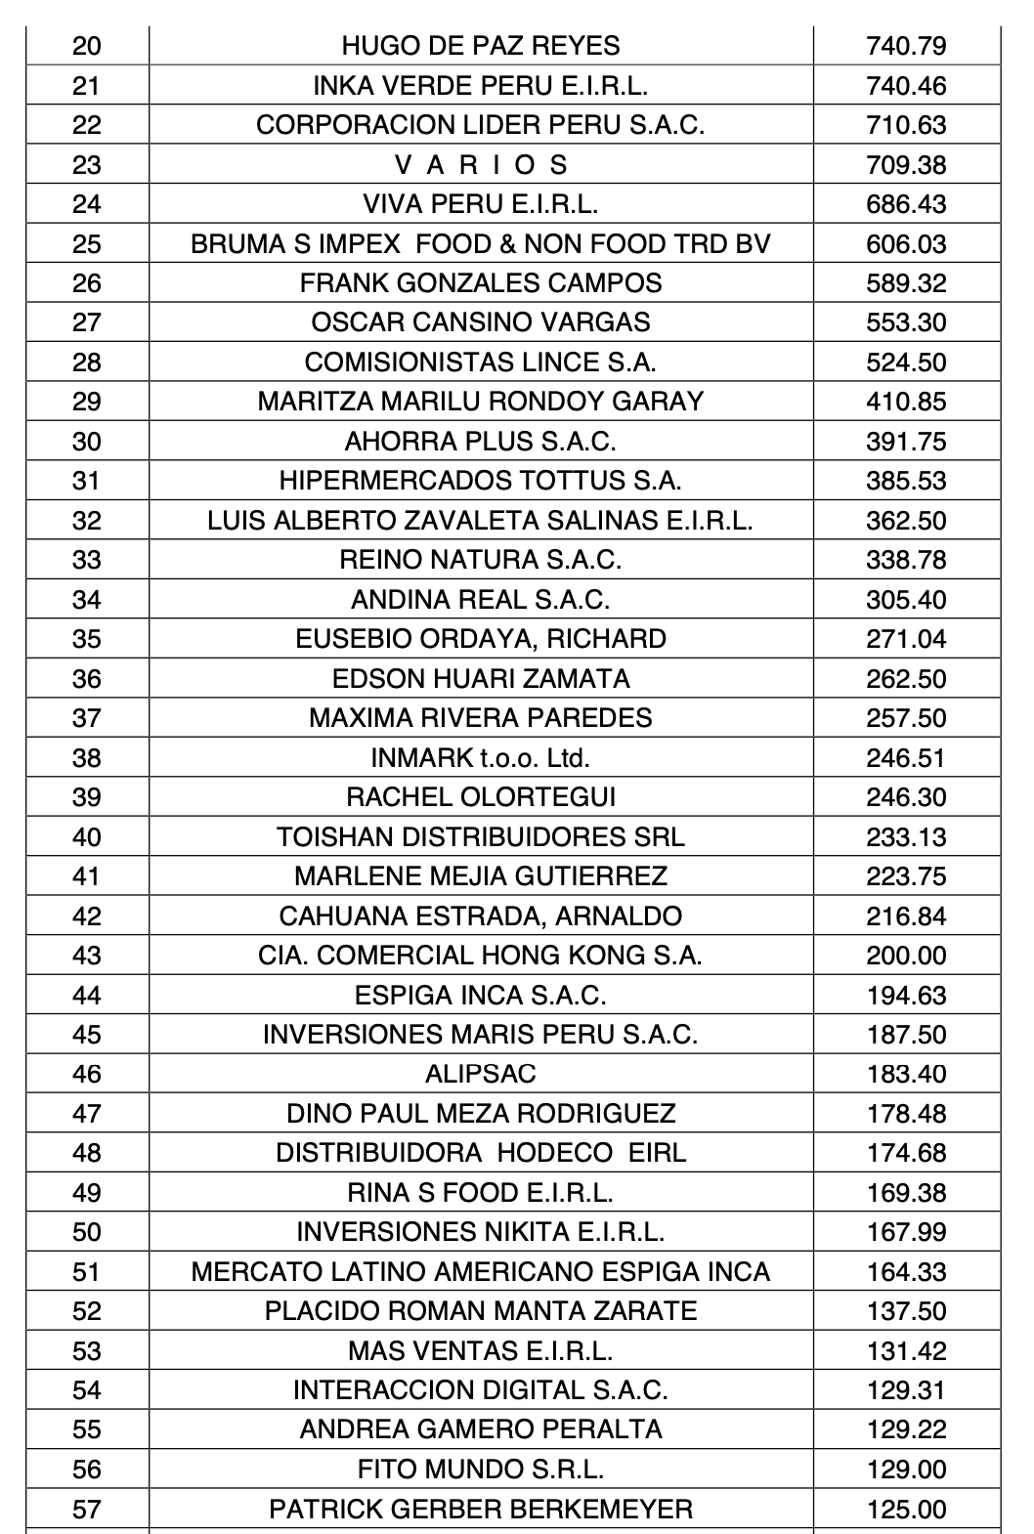
RELACIÓN DE DATOS DE COMPRA POR PARTE DE EMPRESAS PRIVADAS EN PERÚ

1 | 2 | 3 | 4 | 5 | 6 | 7 | 8 | 9 | 10 | 11 | 12 | 13 | 14 | 15 | 16 | 17 | 18 | 19 | 20 | 21 | 22 | 23 | 24 | 25 | 26 | 27 | 28 | 29 | 30 | 31 | 32 | 33 | 34 | 35 | 36 | 37 | 38 | 39 | 40 | 41 | 42 | 43 | 44 | 45 | 46 | 47 | 48 | 49 | 50 | 51 | 52 | 53 | 54 | 55 | 56 | 57 | 58 | 59
25574 | 8408 | 3200 | 2977 | 2780 | 2553 | 2131 | 1868 | 1585 | 1263 | 1212 | 1070 | 1047 | 960 | 815 | 772 | 747 | 745 | 740 | 740 | 710.63 | 709.38 | 686.43 | 606.03 | 589.32 | 553.30 | 524.50 | 410.85 | 391.75 | 385.53 | 362.50 | 338.78 | 305.40 | 271.04 | 262.50 | 257.50 | 246.30 | 233.13 | 223.75 | 216.84 | 200.00 | 194.63 | 187.50 | 183.40 | 178.48 | 174.68 | 169.38 | 167.99 | 164.33 | 137.50 | 131.42 | 129.31 | 129.22 | 129.00 | 125.00 | 124.00 | 122.15 | 112.70 | 100.85
19 | 20 | 21 | 22 | 23 | 24 | 25 | 26 | 27 | 28 | 29 | 30 | 31 | 32 | 33 | 34 | 35 | 36
740.79 | 740.46 | 710.63 | 709.38 | 686.43 | 606.03 | 589.32 | 553.30 | 524.50 | 410.85 | 391.75 | 385.53 | 362.50 | 338.78 | 305.40 | 271.04 | 262.50 | 257.50 |  |  |  |  |  |  |  |  |  | 178.48
37 | 38 | 39 | 40 | 41 | 42 | 43 | 44 | 45 | 46 | 47 | 48 | 49 | 50 | 51 | 52 | 53 | 54
246.51 | 246.30 | 233.13 | 223.75 | 216.84 | 200.00 | 194.63 | 187.50 | 183.40 | 178.48 | 174.68 | 169.38 | 167.99 | 164.33 | 137.50 | 131.42 | 129.31 | 129.22
55 | 56 | 57 | 58 | 59 | 60
129.00 | 125.00 | 124.00 | 122.15 | 112.70 | 100.85 |  | Número de toneladas vendidas por ENACO | 61187

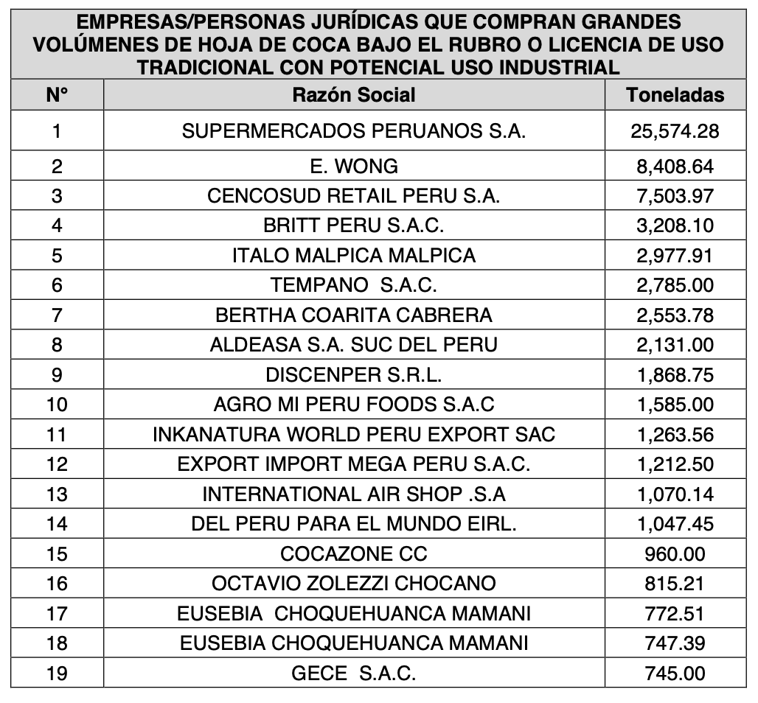
Cantidad promedio de toneladas compradas por el sector privado con fines industriales

Potencial de mercado
 |  |  |  |  | TONELADAS MÉTRICAS PARA VENTA |  |  |  |  | ALCALOÍDE DE COCAÍNA
ENACO PERÚ |  |  |  |  | Proyección de venta | Cantidad. TN/M /H.C. | (%) | Cantidad total de hoja con producción de alcaloíde | (%) H.C. utilizada frente a TM | Proyección de venta (kg) | Cantidad de hojas necesaria (por ha) | (%) | Rendimiento de hoja colombiana según UNDOC (7,9 kg/ ha por año9
Años | Precio | Moneda | Medida |  | 2024 | 56700 |  | 60497 | 7% | 30000 | 3797 | 0 | 7.9
2000-2020 | 3 | Sol | Promedio |  | 2025 | 57834 | 2 | 61631 | 7% | 30000 | 3797 | 0 | 7.9
 | 4000 | Pesos | Kg |  | 2026 | 58991 | 2 | 62788 | 7% | 30000 | 3797 | 0 | 7.9
 |  |  |  |  | 2027 | 60170 | 2 | 64082 | 7% | 30900 | 3911 | 3 | 7.9
 |  | Potencial TM / colombia |  |  | 2028 | 61374 | 2 | 65403 | 7% | 31827 | 4029 | 3 | 7.9
 |  | 1134000 | 567000 |  |  |  |  | 314402
 | (%) | 1 | 283500
 |  |  | 141750 | 17010
INTEGRACIÓN DE LAS VARIABLES DE MERCADO EN CIFRAS
 |  |  | 23625
PROYECCIÓN DE VENTA PARA TN/M

Productos y servicios
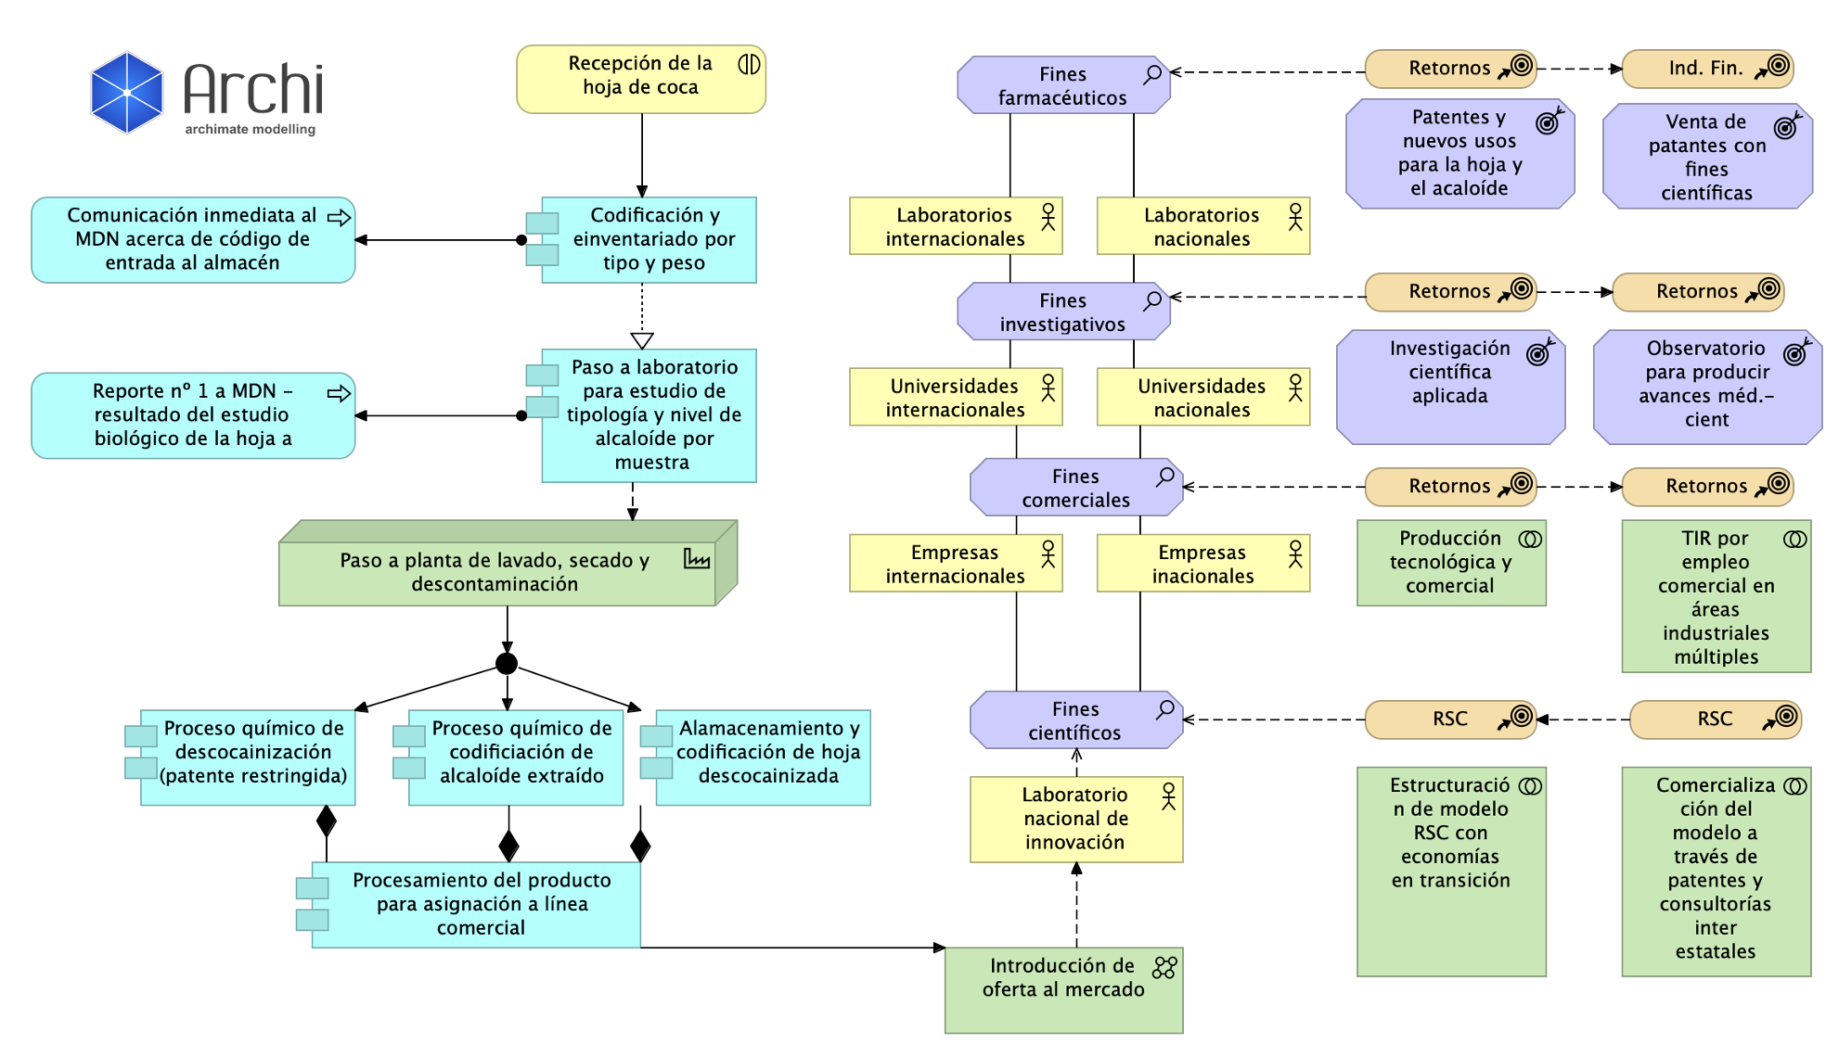
Proceso | Línea comercial | Comprador potencial nacional | Comprador internacional | Descripción de línea comercial
Descocainización (lexiviación) | Venta de hoja de coca descocainizada | Industria alimentaria | Industria de cométicos | Venta de hoja descocainizada para compradores nacionales e internacionales. La medida de venta para la hoja corresponderá a las toneladas métricas.
 |  | Industria de procesados | Industria de bebidas
 |  | Industria licorera | Industria de materiales
 |  | Industria de bebidas | Industria alimentaria
 |  | Industria de materiales
No descocainización | Venta de hoja sin descocainizar | Industria farmaceútica | Industria farmaceútica | Venta de hoja sin descocainizar para compradores nacionales e internacionales. La medida de venta para la hoja corresponderá a las toneladas métricas.
 |  | Industria química | Industria química
 |  | Industria bio química | Industria bio química
 |  | Industria materiales | Industria materiales
Lexiviación | Venta de alkaloide por kg | Industria química | Industria química | Venta del alcaloide de cocaína con fines farmaceúticos bajo la medida "kilogramo"
 |  | Industria bio química | Industria bio química
 |  | Industria materiales | Industria materiales
I+D+i | Desarrollo de patentes | Industria química | Industria química | Desarrollo de patentes científicas en sectores múltiples, para la comercialización de conocimiento, trabajo conjunto o desarrollo de productos y servicios entre la empresa y el sector privado
 |  | Industria bio química | Industria bio química
 |  | Industria materiales | Industria materiales

Cap. Instalada
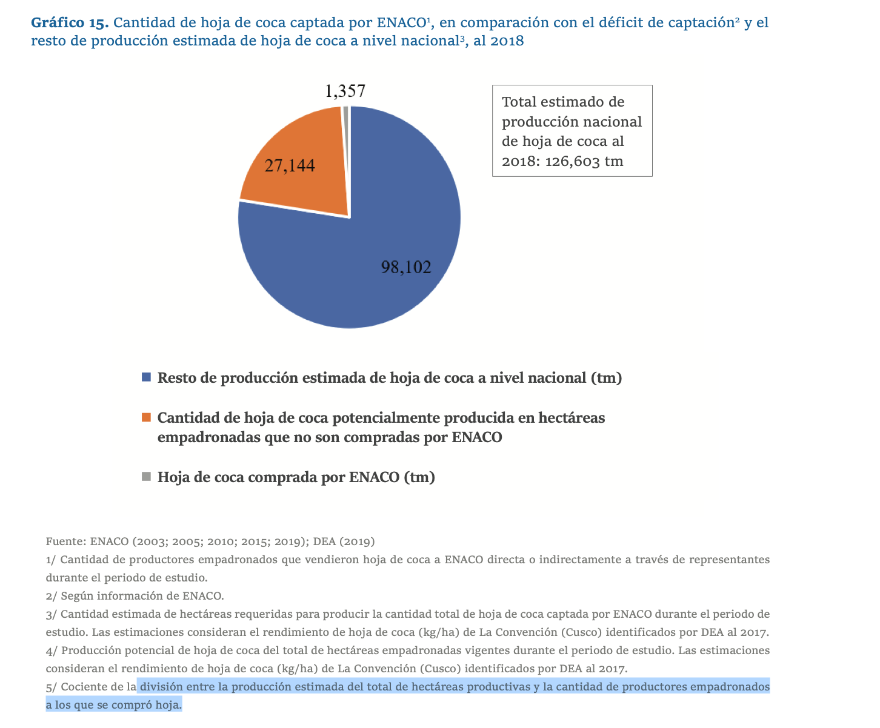
 | Año de proyección | Necesidad de ENACO | 20% sobre proyección | Cantidad. TN/M /H.C. CRL | (%) crecimiento CRL
 | 2024 | 28501 | 34201 | 56700
 | 2025 | 34201 | 41041 | 57834 | 2
 | 2026 | 41041 | 49250 | 58991 | 2
 | 2027 | 49250 | 59100 | 60170 | 2
 | 2028 | 59100 | 70920 | 61374 | 2
27144
CÁLCULO DPI - CINCO AÑOS CON ESTADÍSTICA ACTUAL PROYECTADA A (20%) Y (2%)
1357
28501

Marco jurídico
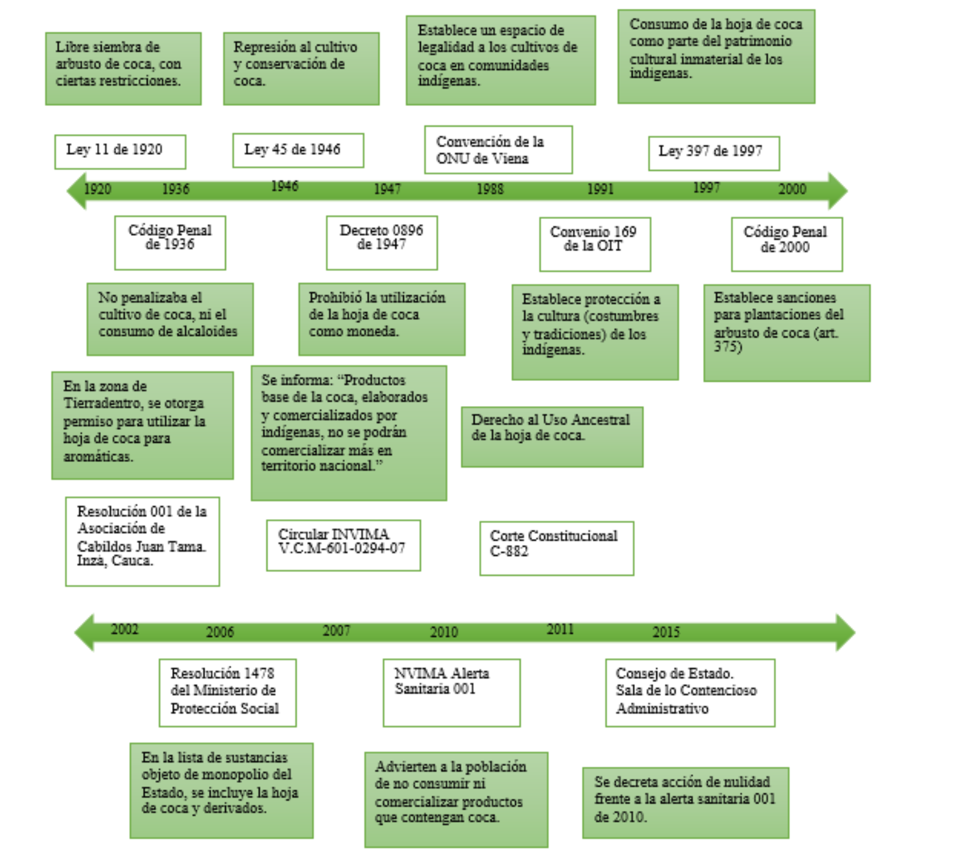

Acto jurídico | Descripción
Ley 11 de 1920 | Se autoriza la siembra de coca con restricción de cantidad.
Convención de la ONU de Viena | Se estableceun espacio de legalidad para en cultivo de hoja de coca.
Ley 397 d 1997 | Se permite en consumo de hoja de coca como factor conexo al patrimonio cultural
Código penal de 2000 | Establece las sanciones pertinentes para restringir en cultivo insdustrial ilegal de hoja coca
Resolución 1478 del Ministerio de Protección Social (2006) | Con la cual se incluye la hoja de coca a la lista de objetos del monopolio del Estado así como también sus derivados industrials
Convenio 169 de la OIT | Con en cual se protege en patrimonio histórico, lo que constituye constumbres nacionales asociadas con el uso alterno de hoja de coca

Fichas técnicas
Ficha técnica | Alcaloíde de cocaína con fines científicos - farmaceúticos
Descripción del producto | Alcaloíde de cocaína con 100% de pureza, extraído con la técnica Lixiviación.
Marco jurídico regulatorio | Base jurídica sustanciada en C-176 - 94
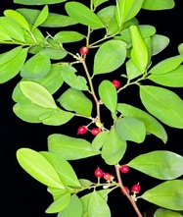
Imagen de materia prima
Unidad de venta | Kilogramo
Empleos / usos | Un éster alcaloide extraído de las hojas de las plantas de coca, es un anestésico local y vasoconstrictor y se usa clínicamente para ese propósito, particularmente en ojos, oídos, nariz y garganta.

